Tab 3 Development Replicates
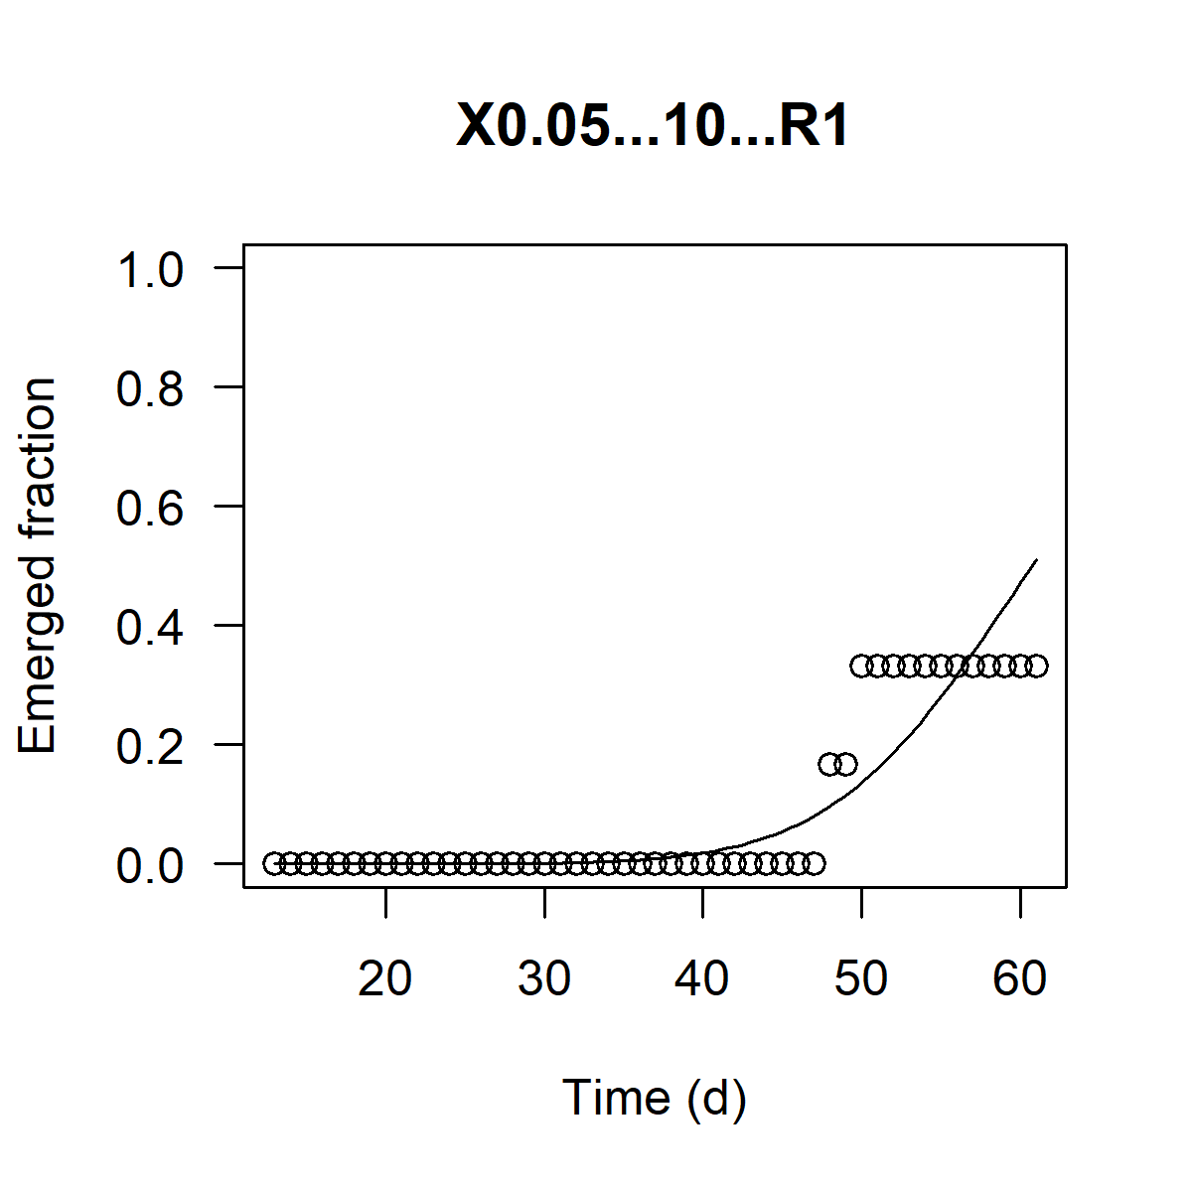
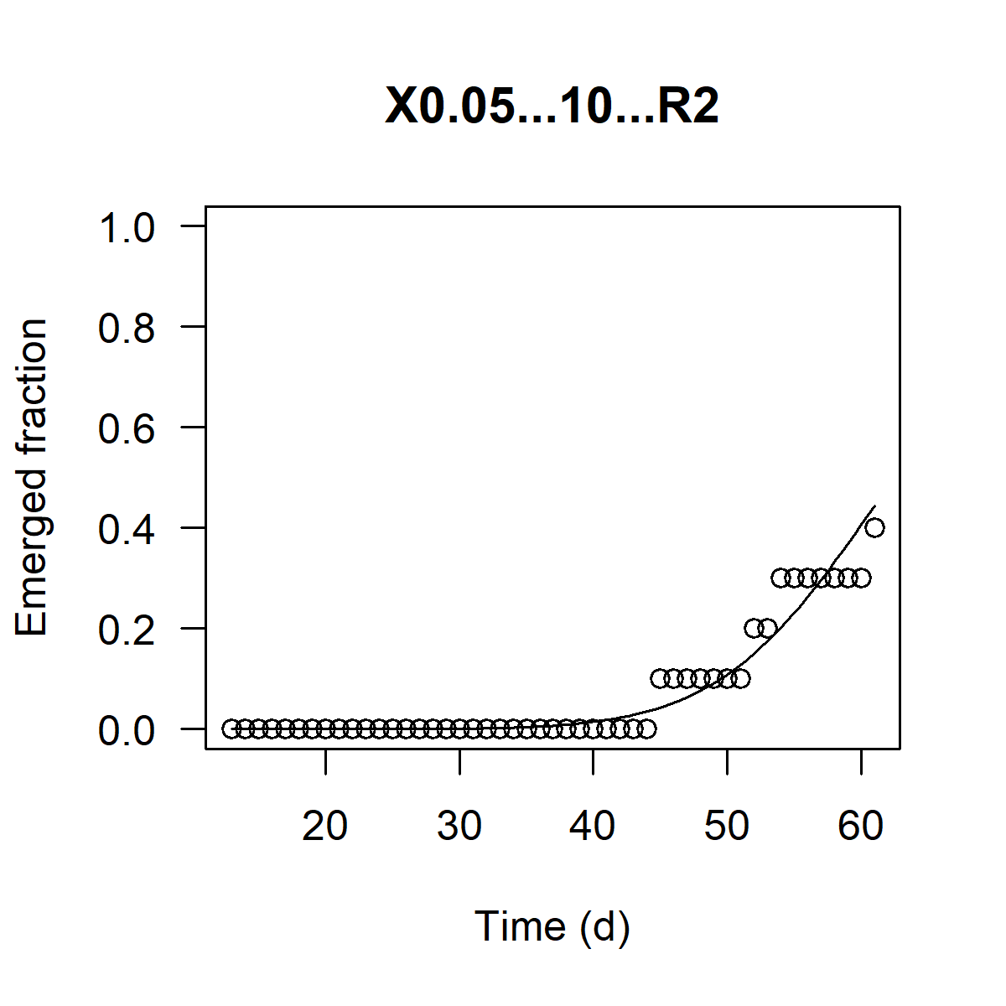
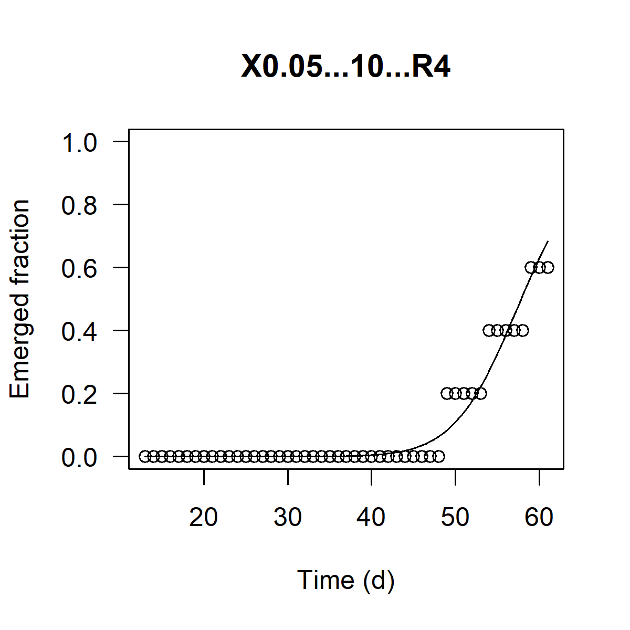
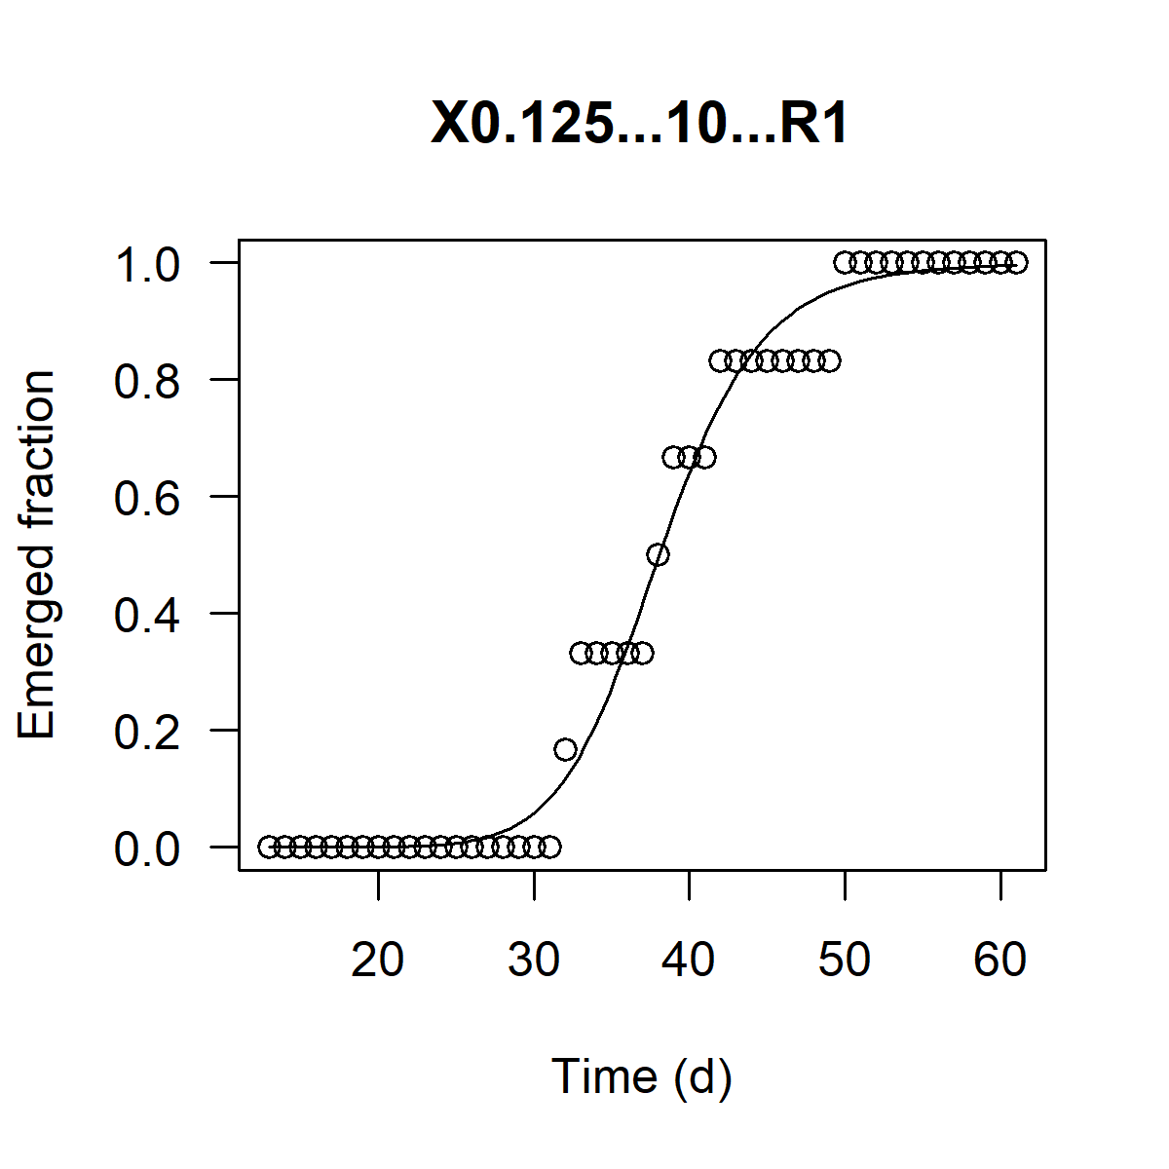
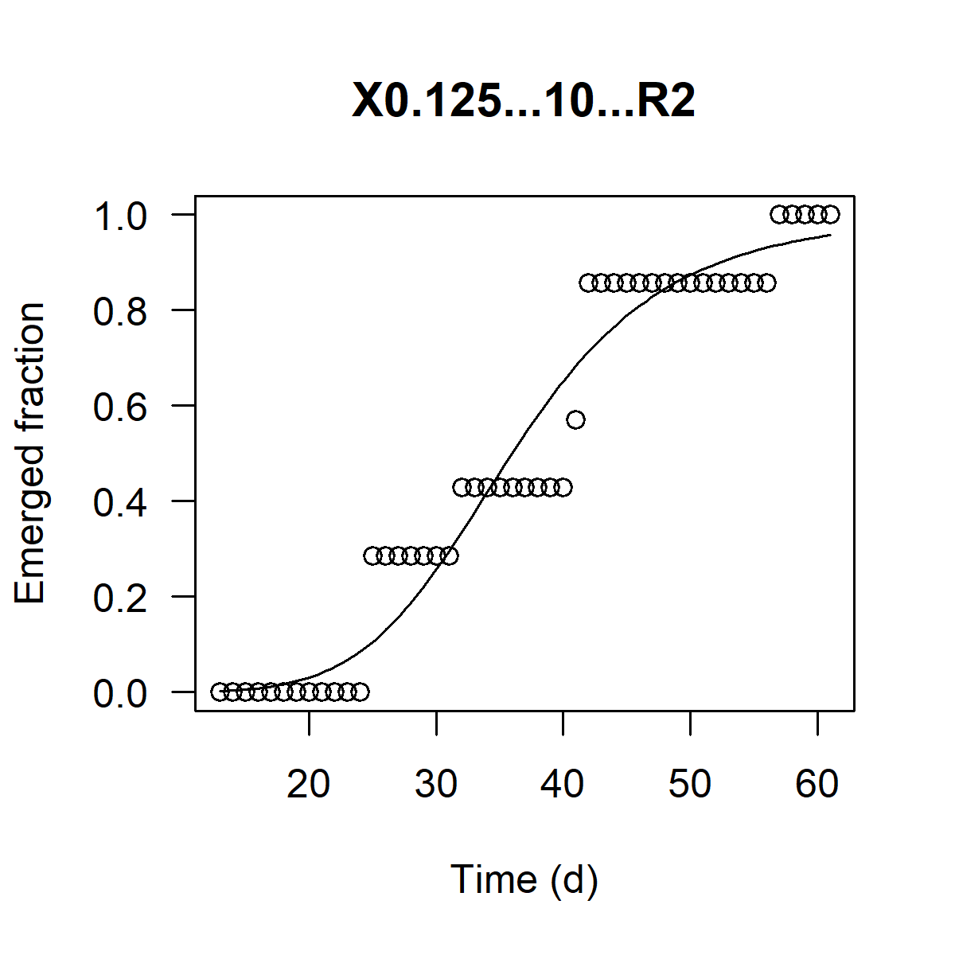
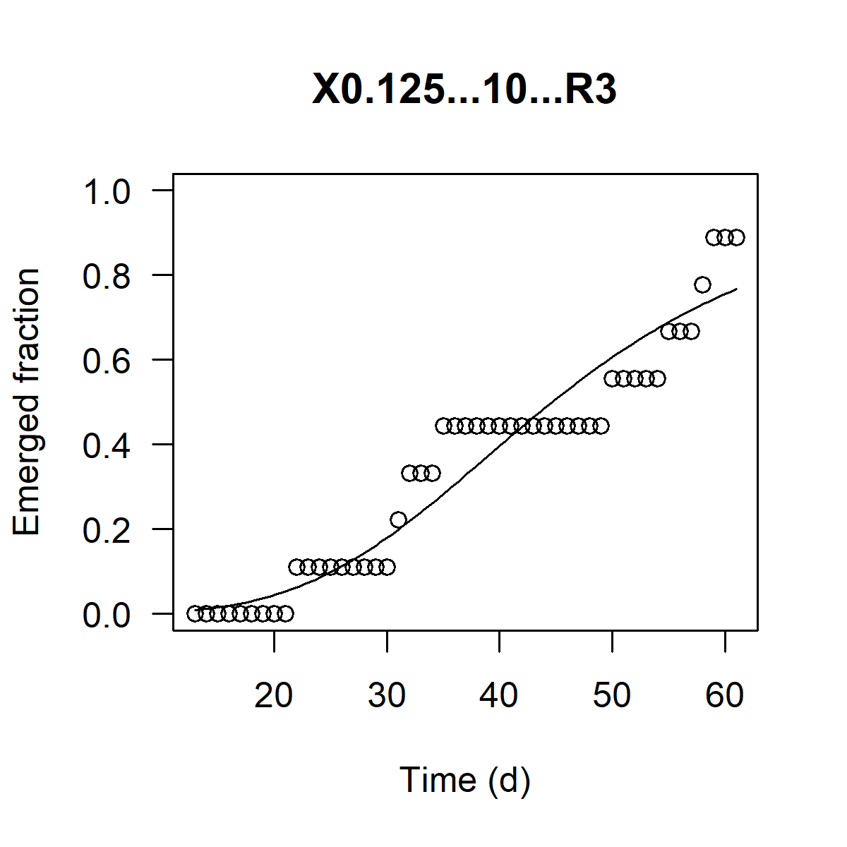
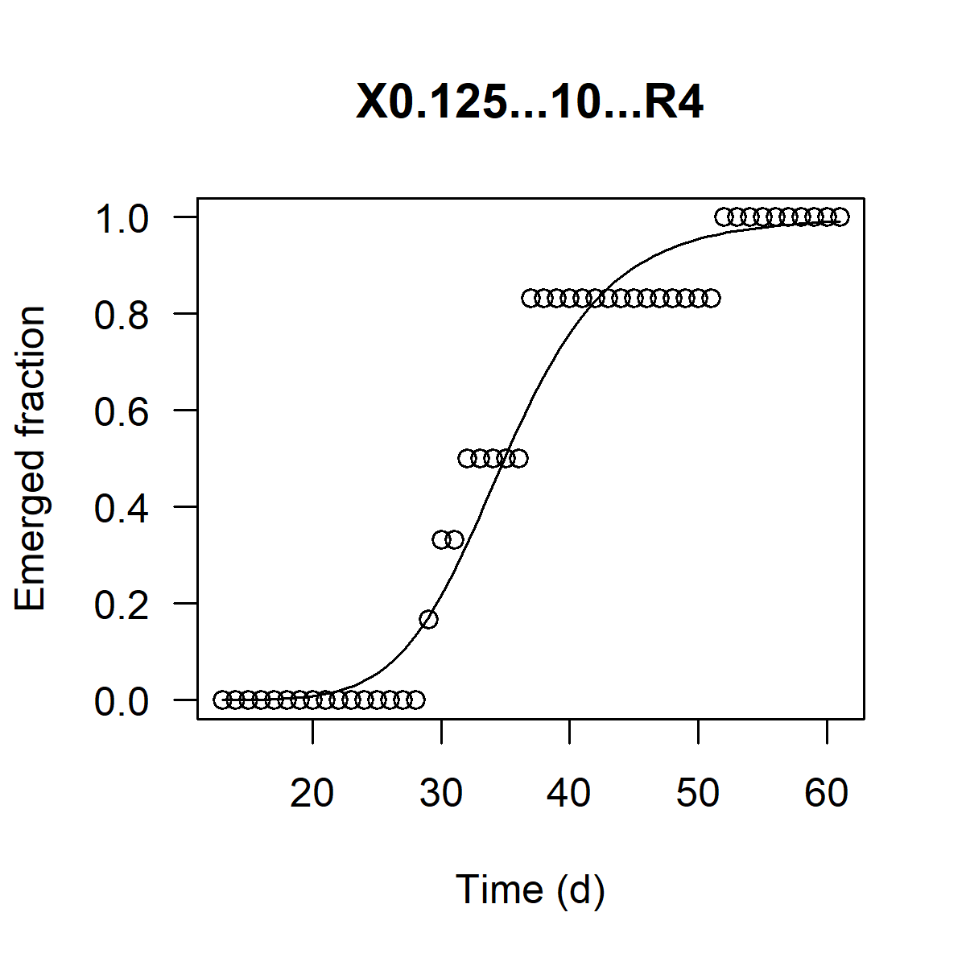
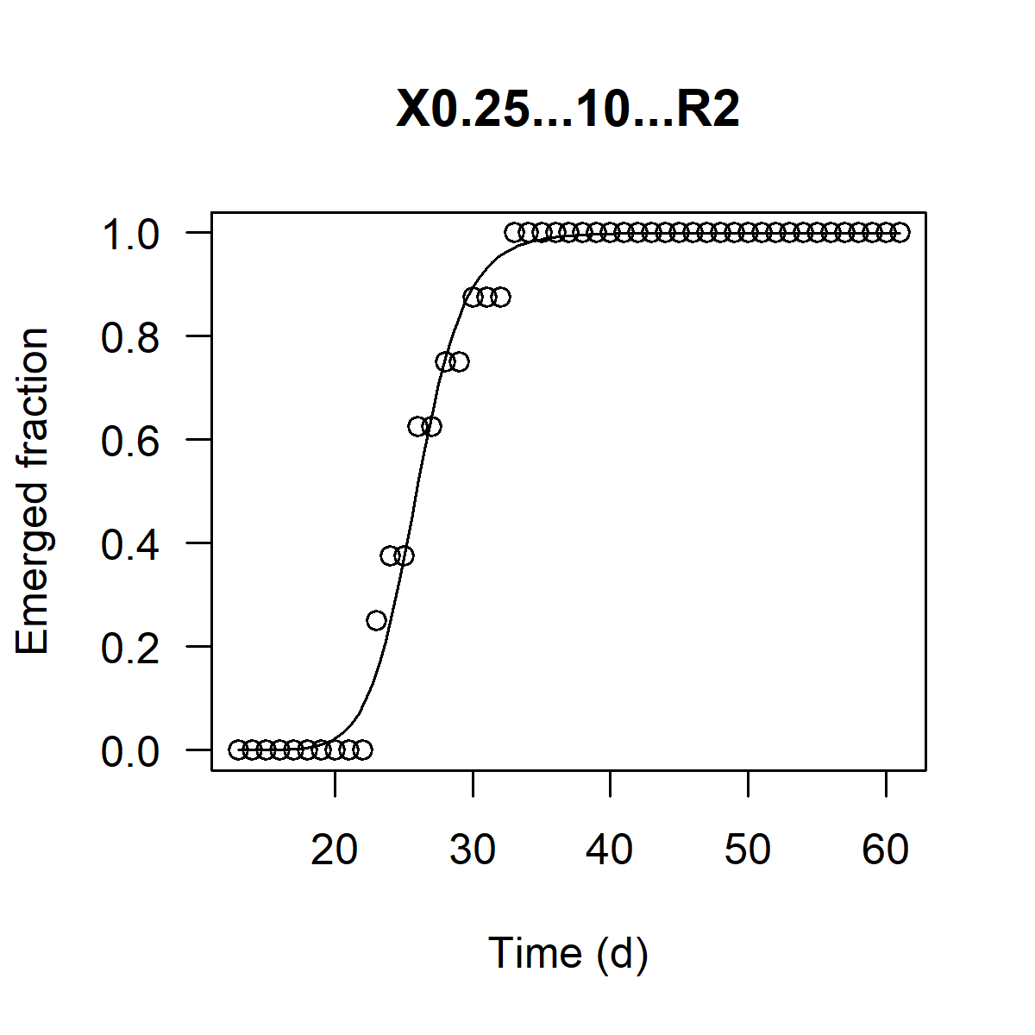
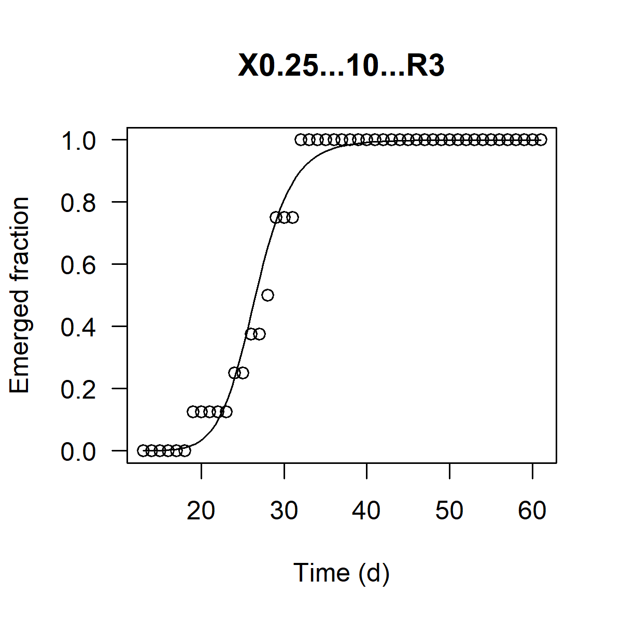
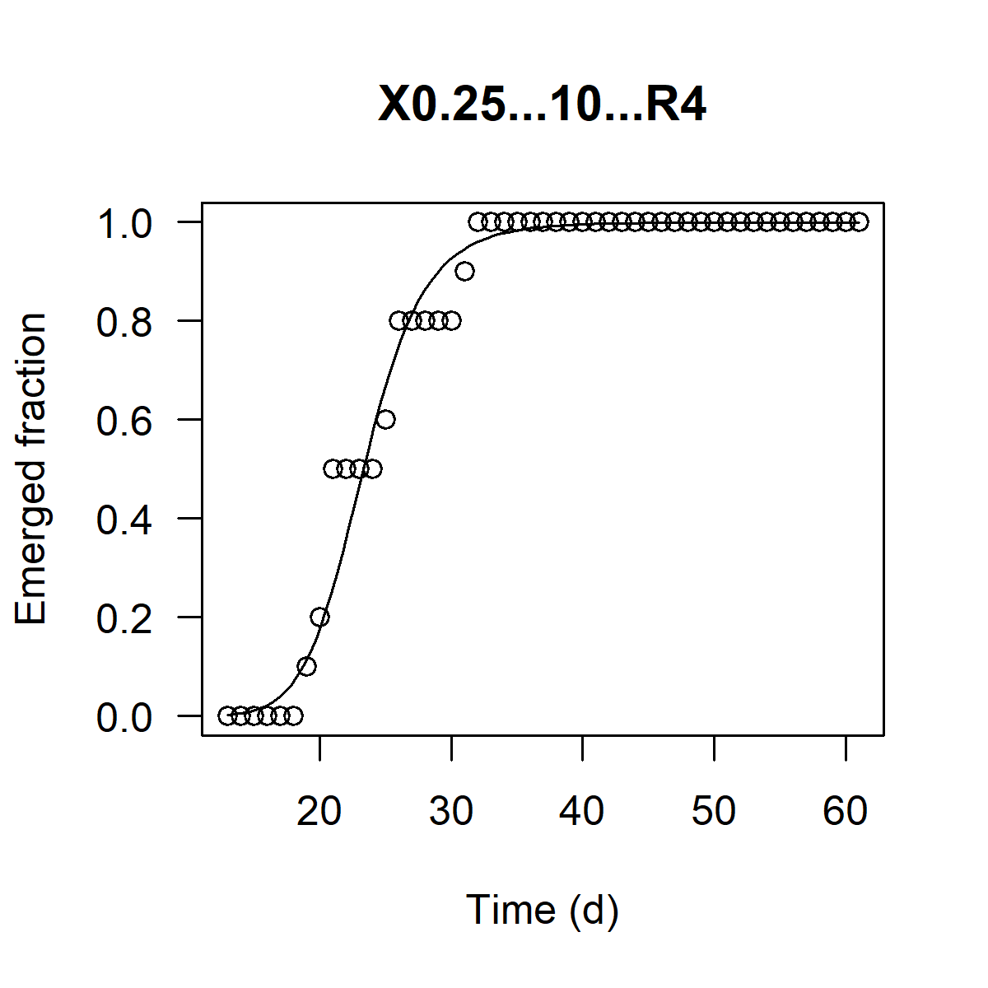
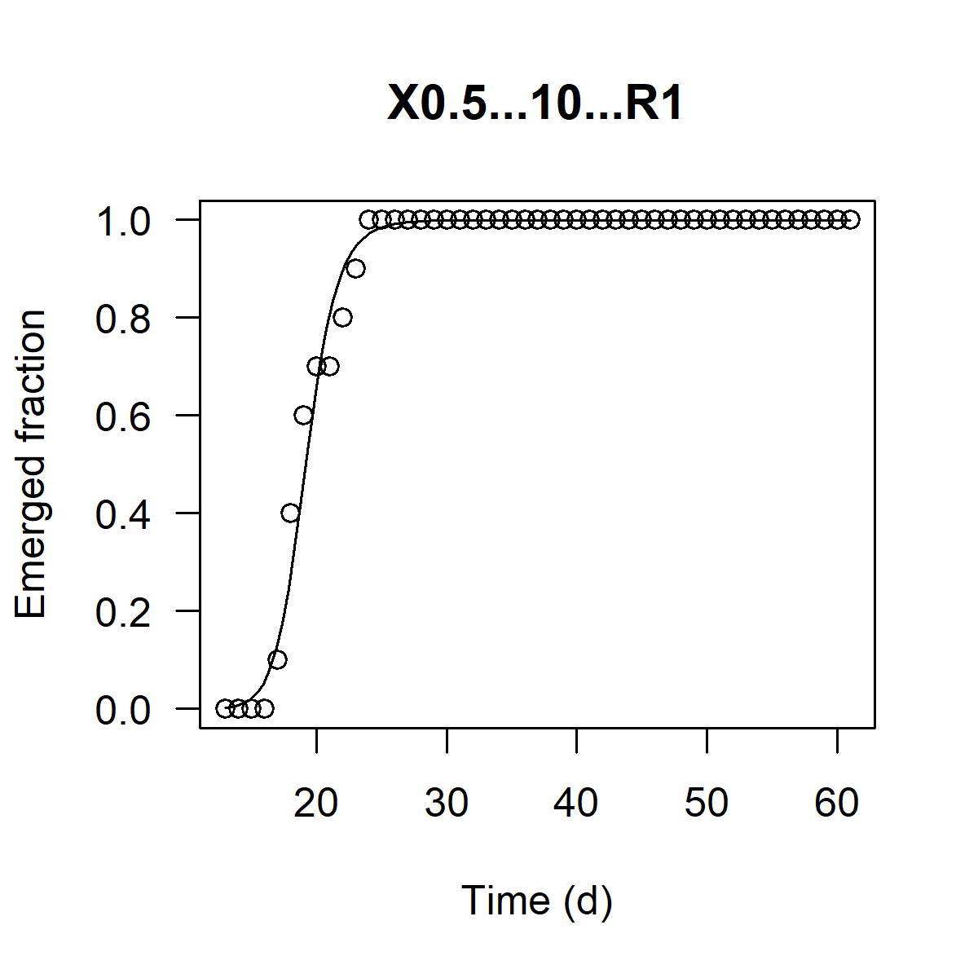
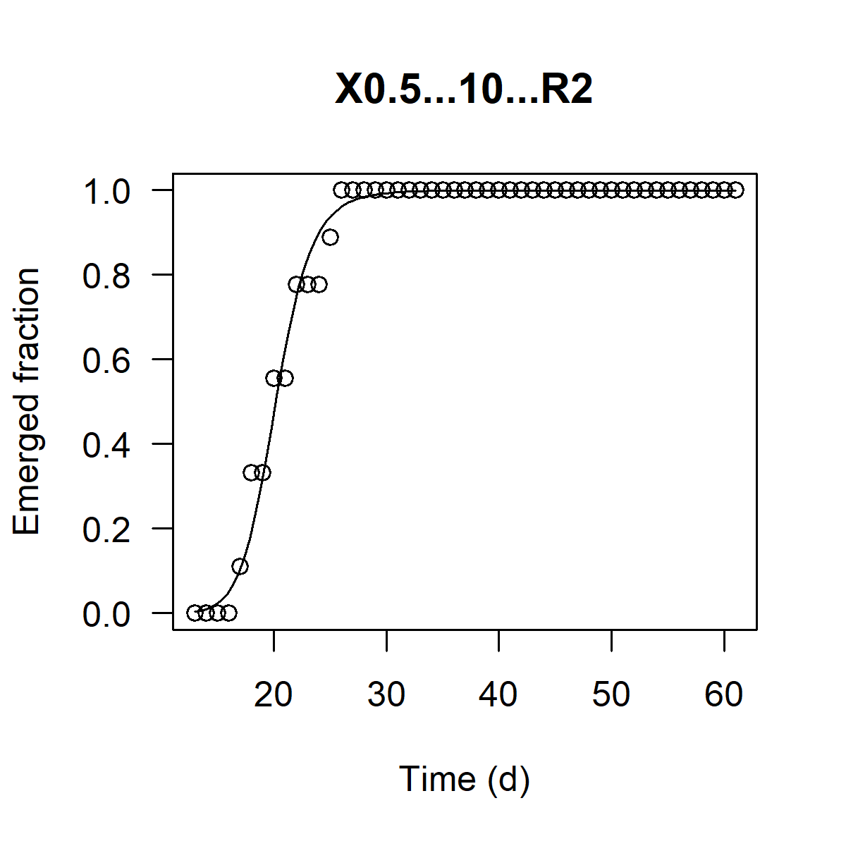
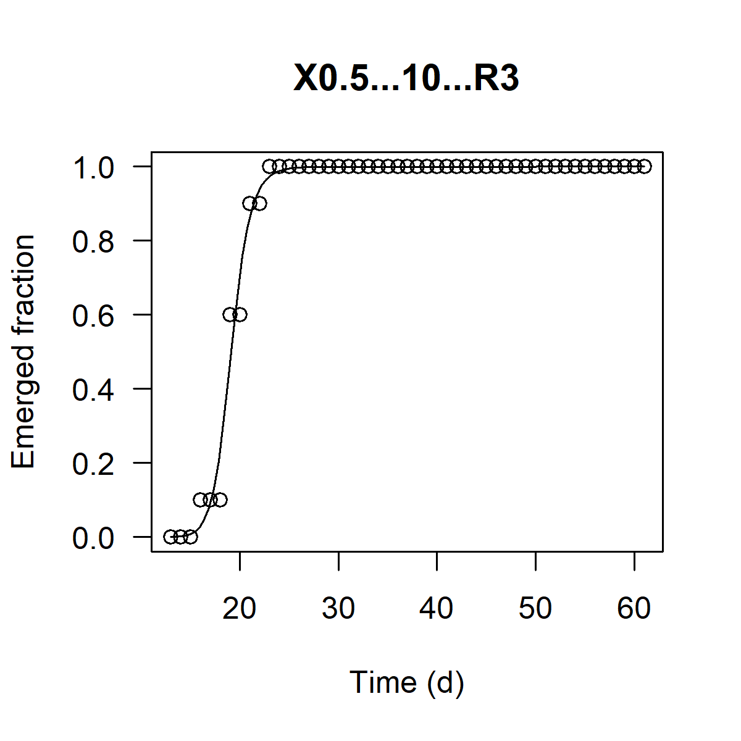
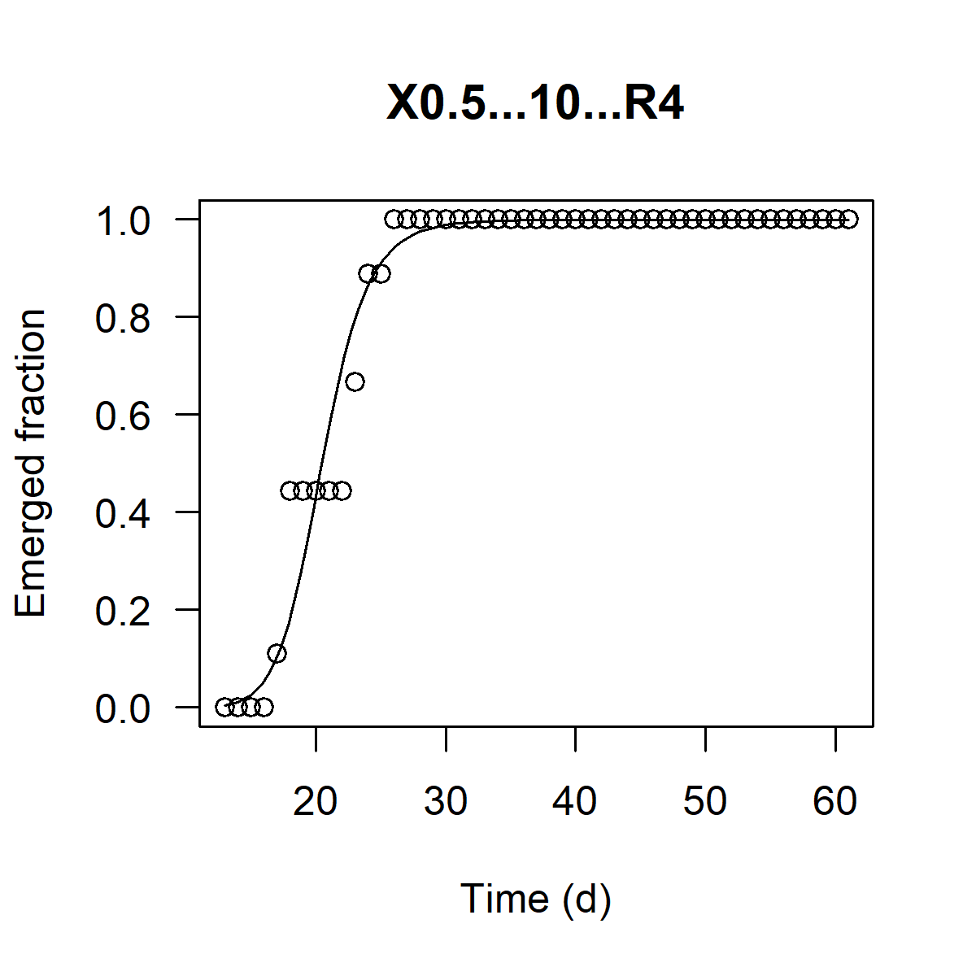
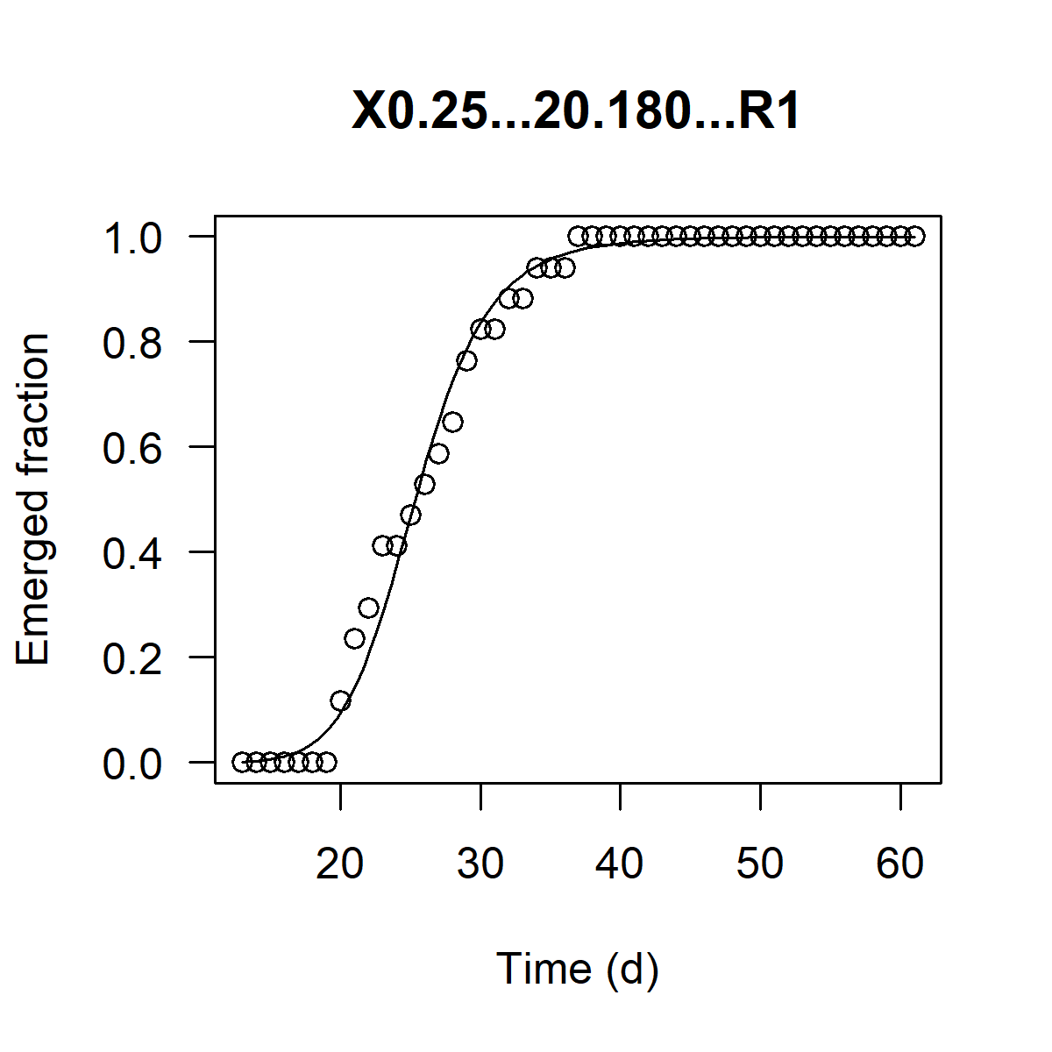
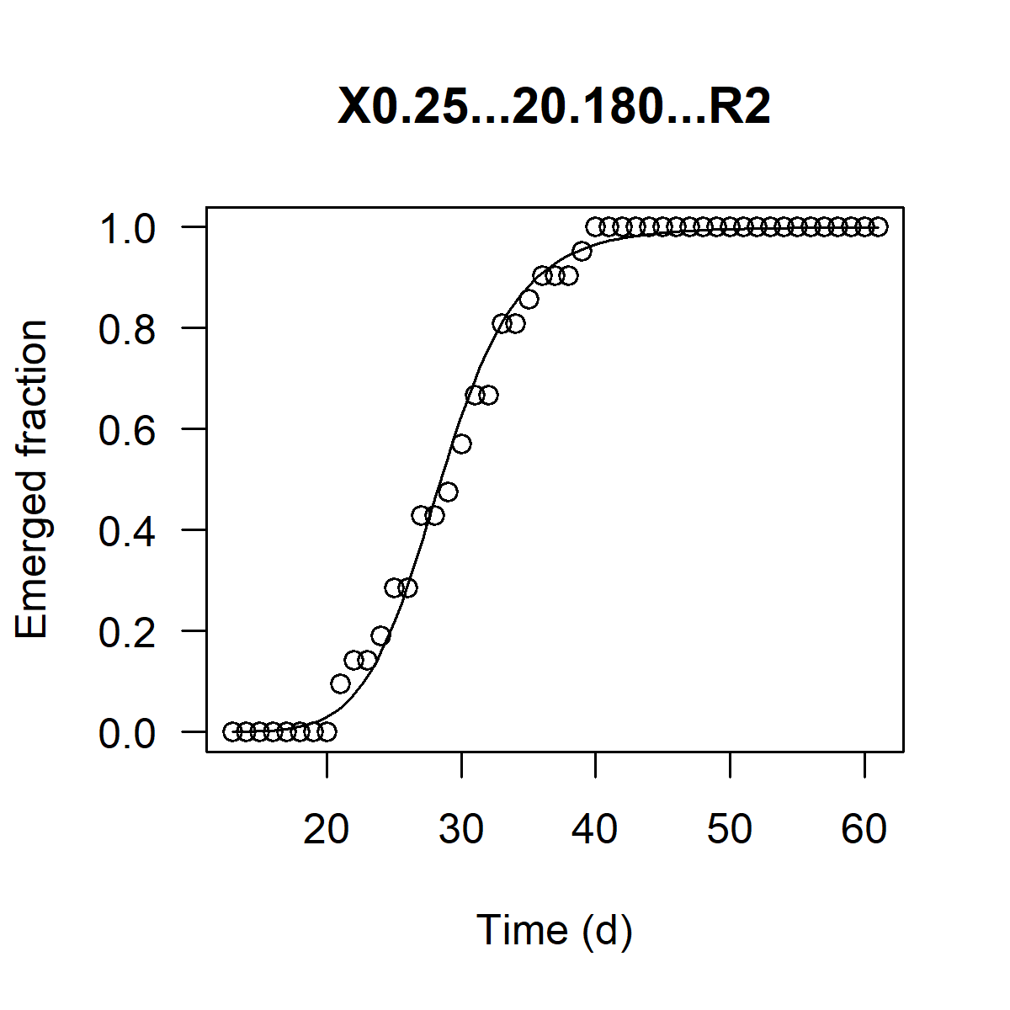
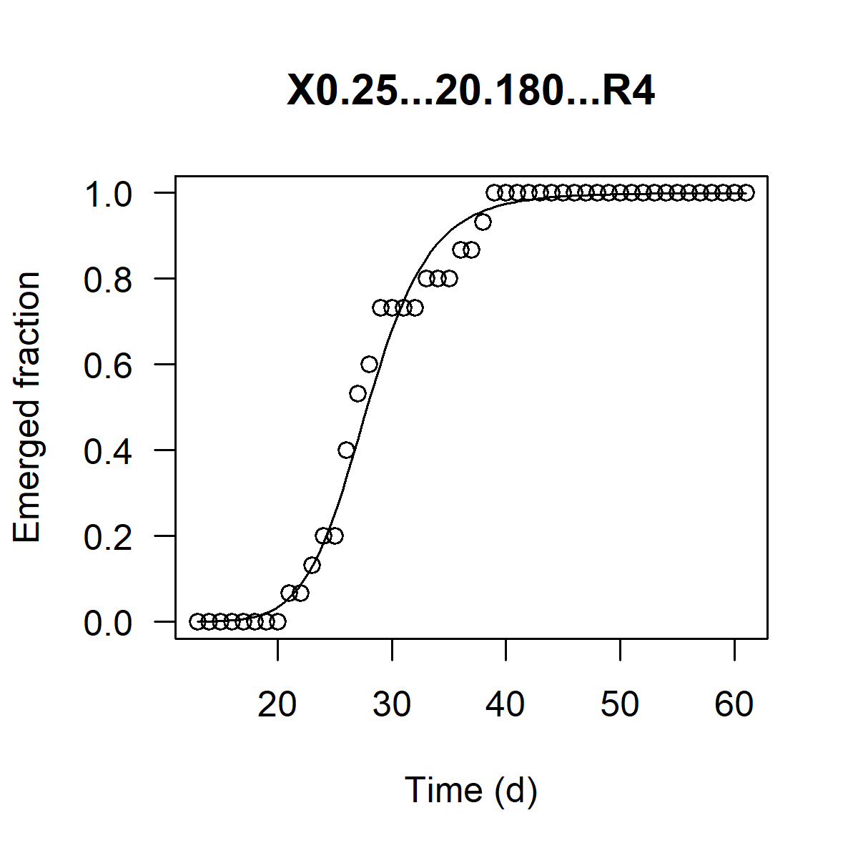
Table 3: Time to 50 % emergence EmT50 [d], slope and R2 for single replicates.
Please note: 5 replicates were classified as outliers and excluded from further analysis. For the criteria, see the corresponding spreadsheet.

Regression equation:
 |  | with:
 |  | x0: time of 50 % emergence (EmT50) [d], b: the slope of the cumulative emergence curve
 |  | y: fraction of emerged individuals as a function of the experimental time x [d]

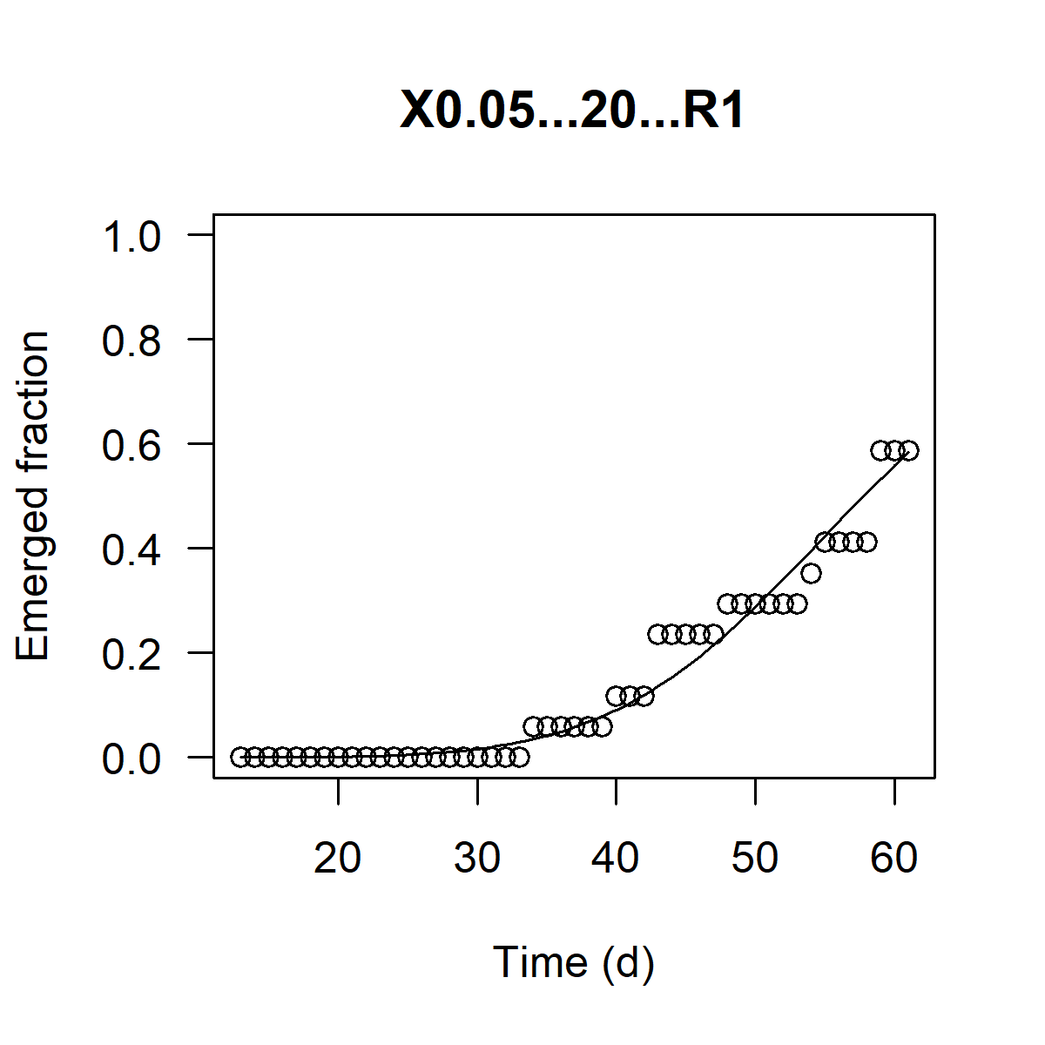
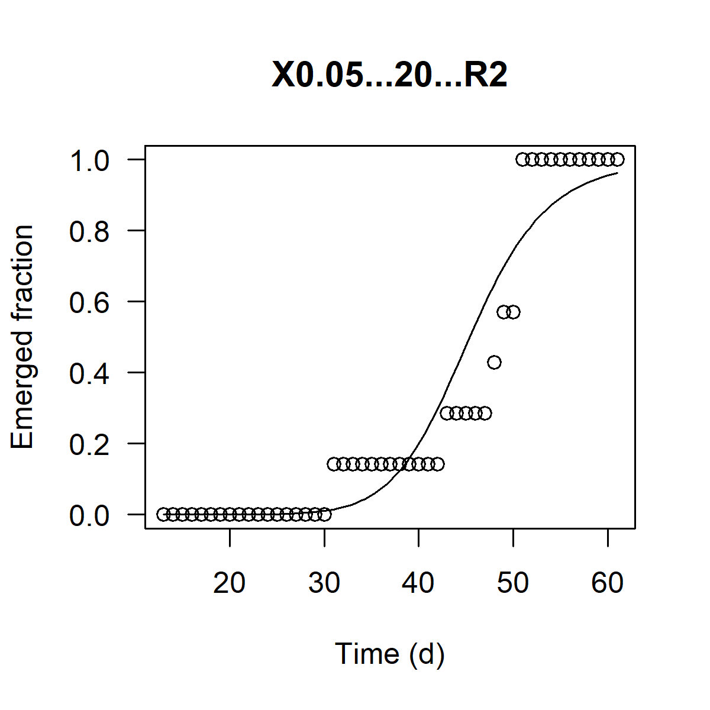
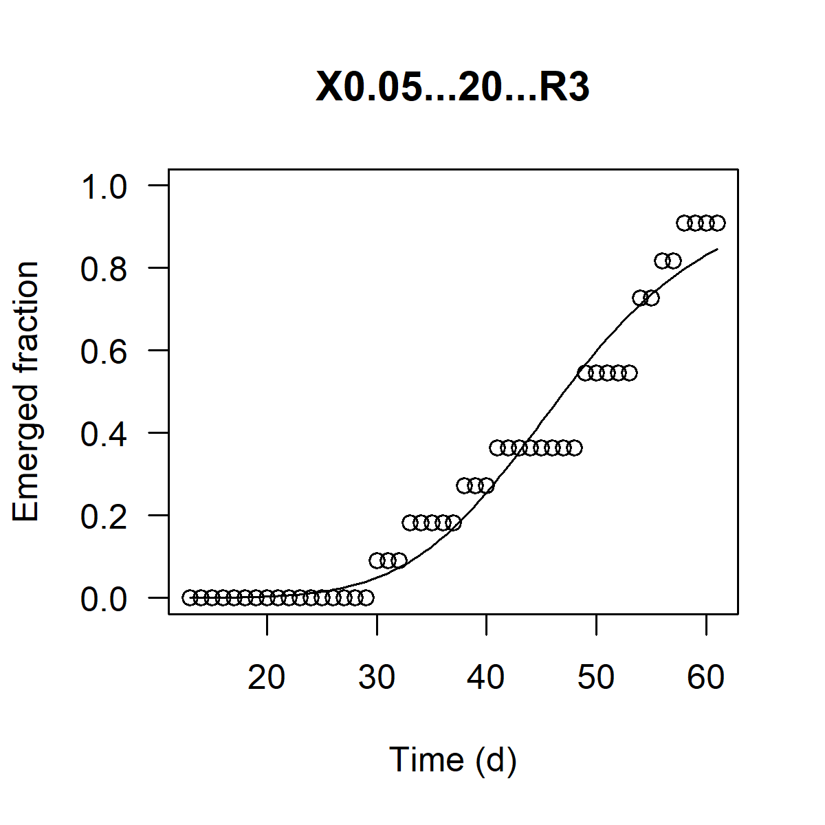
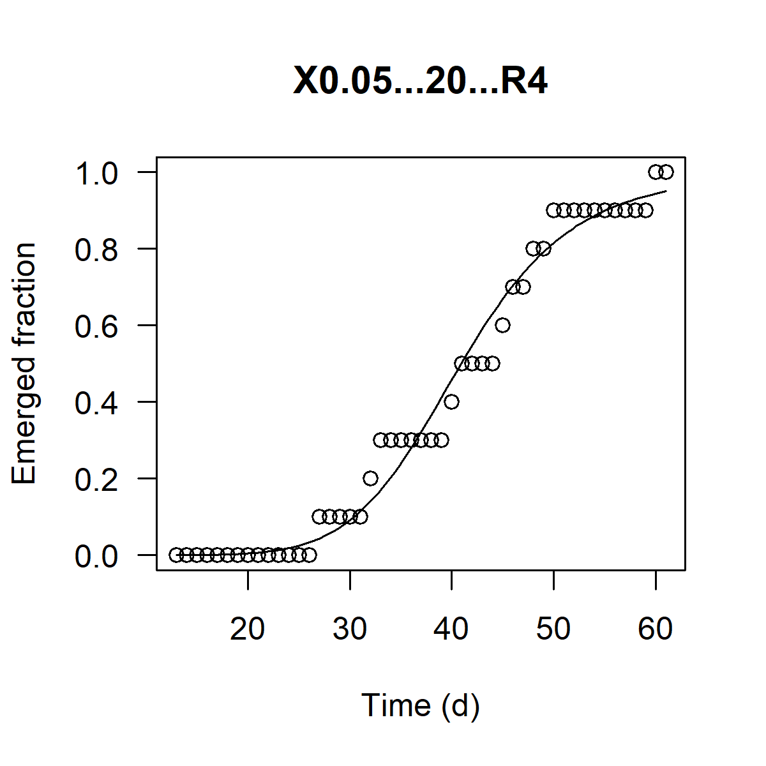
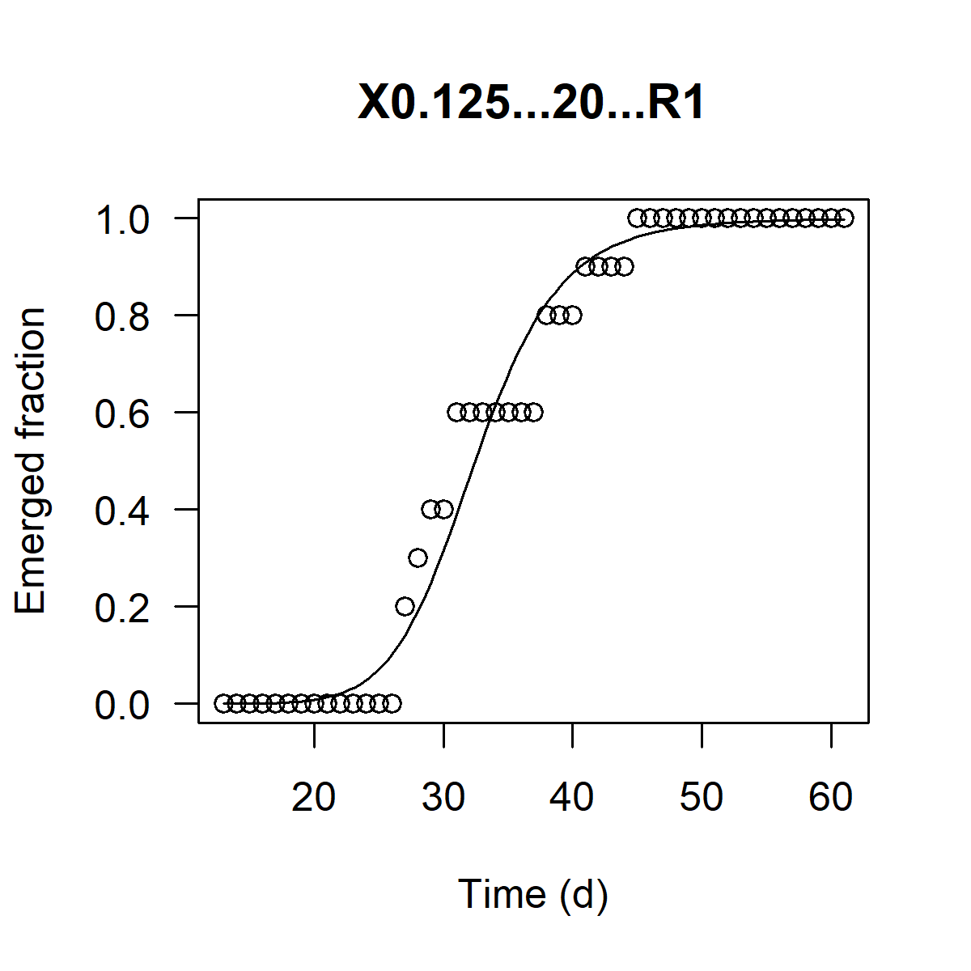
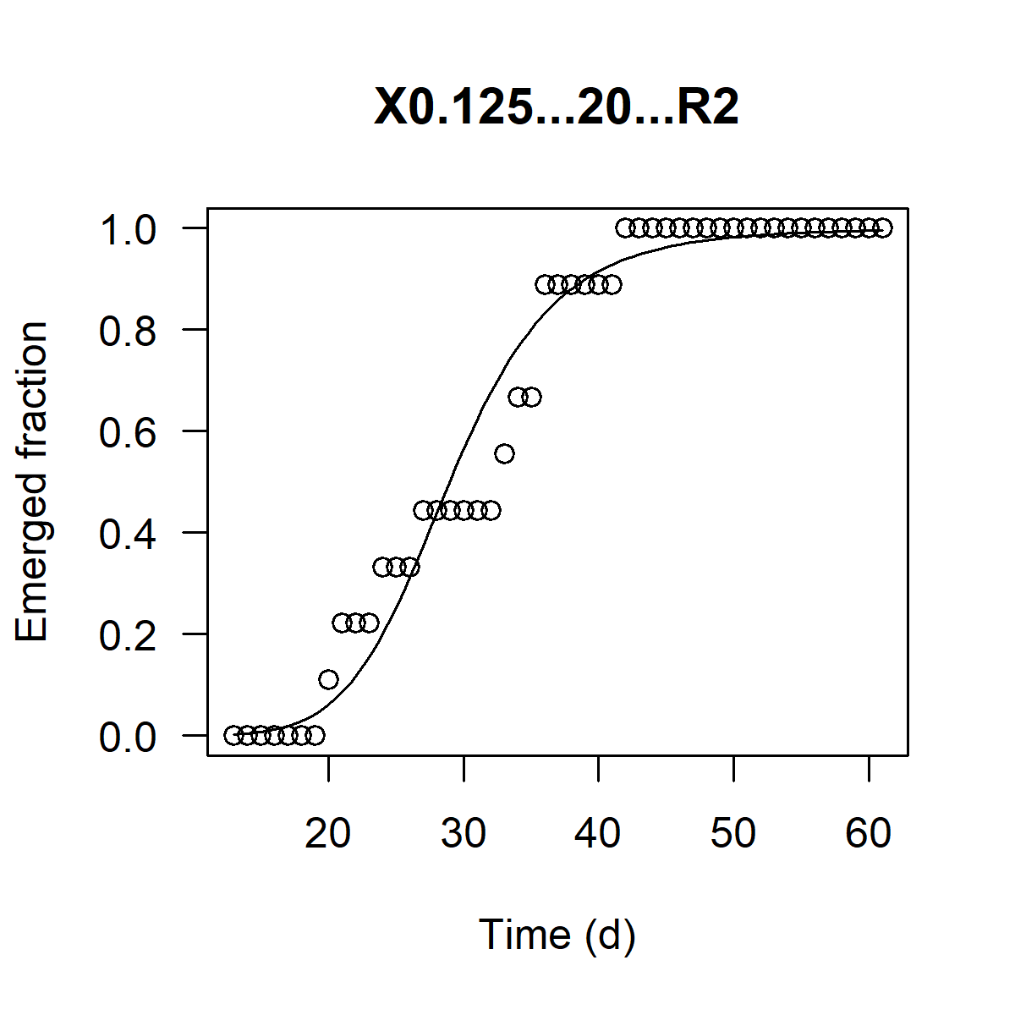
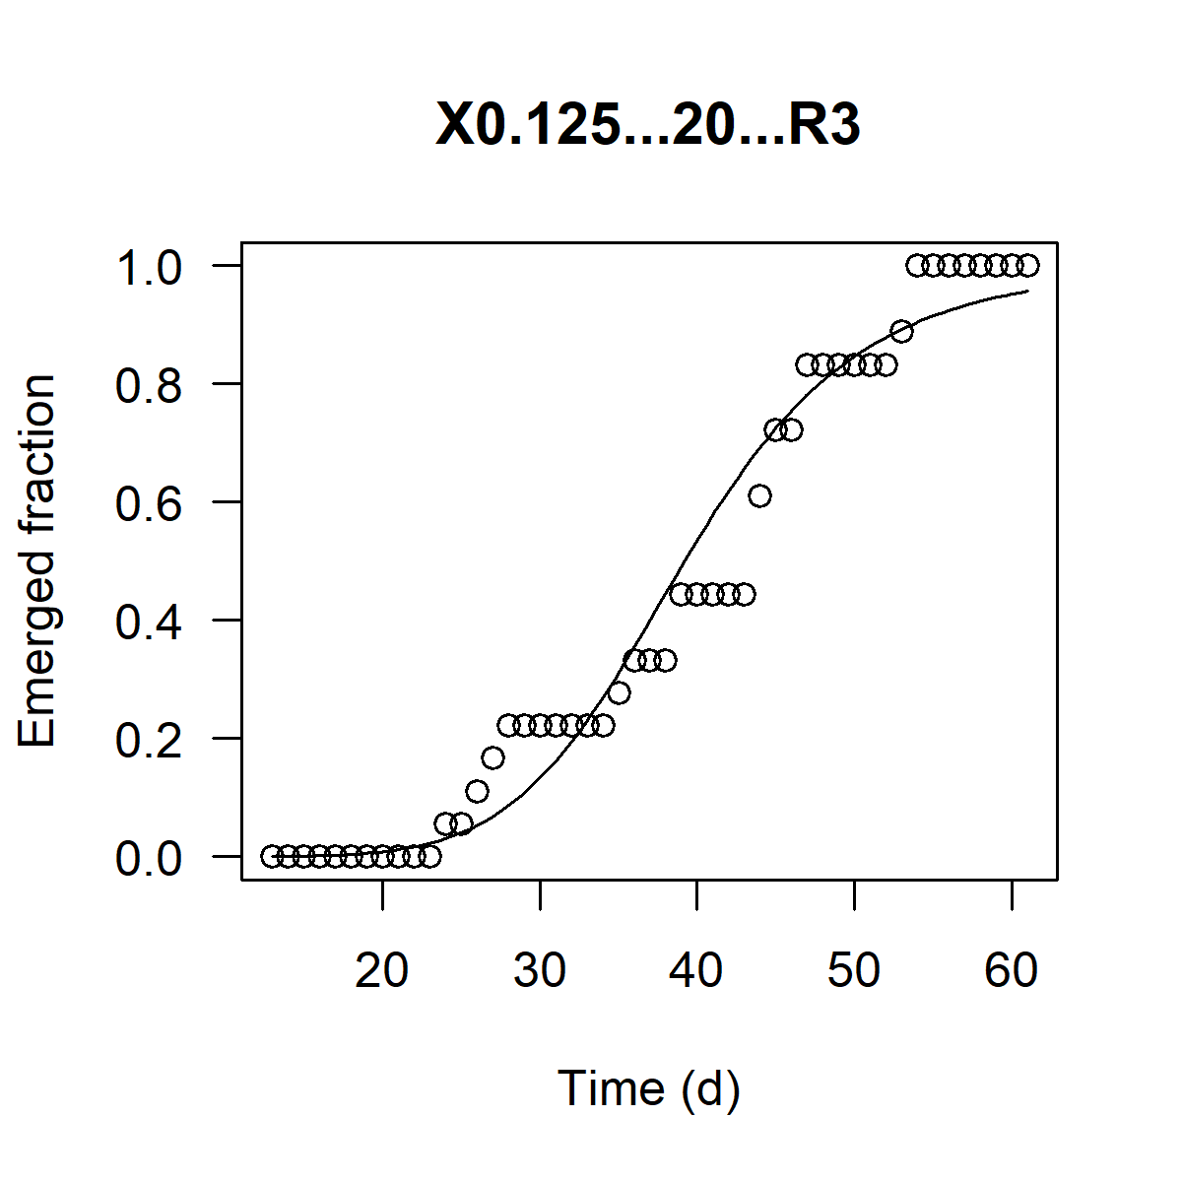
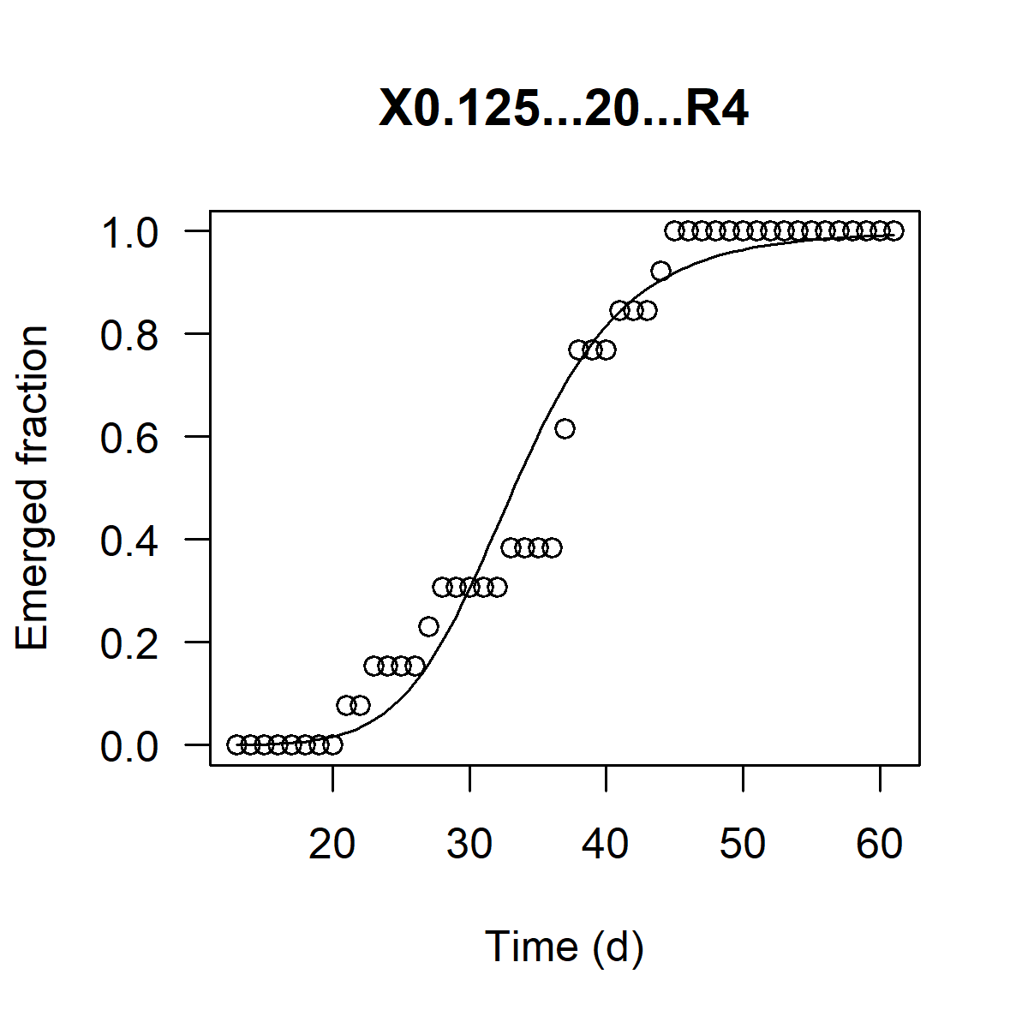
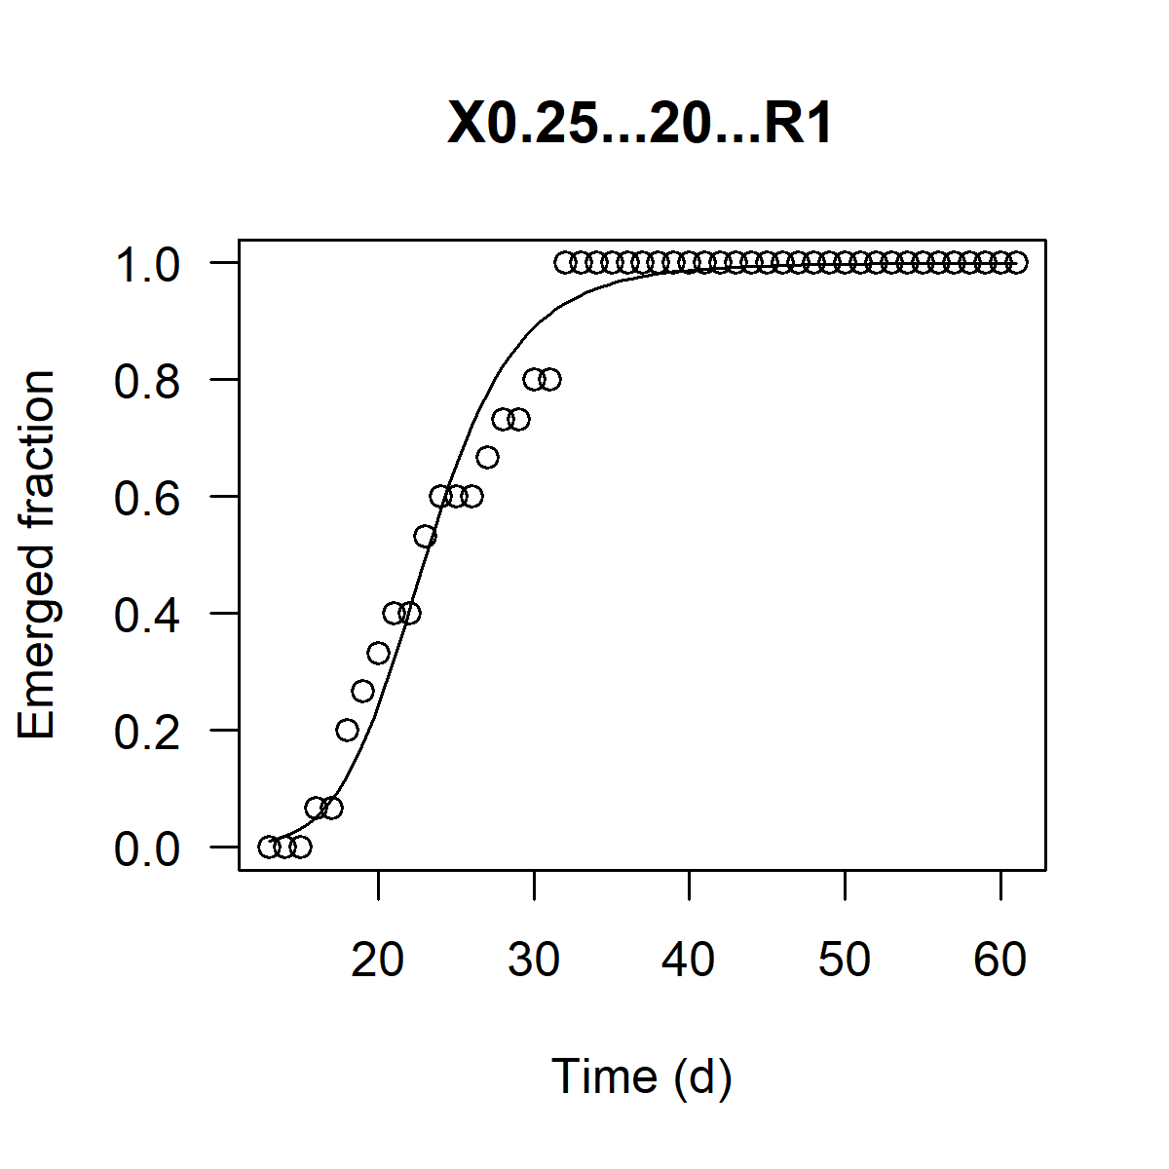
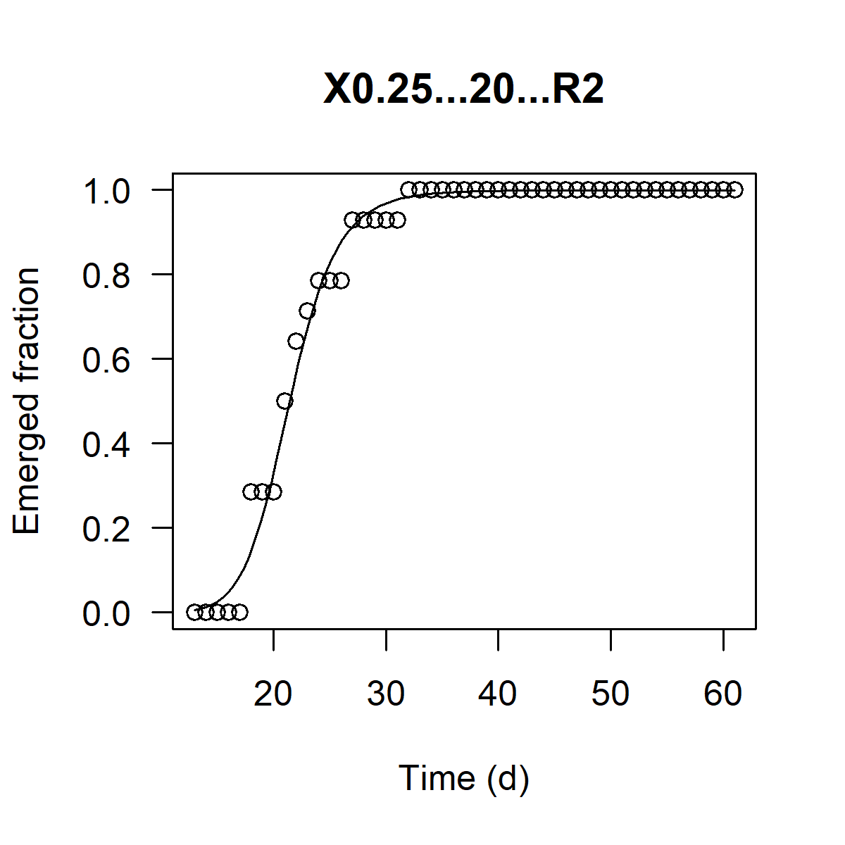

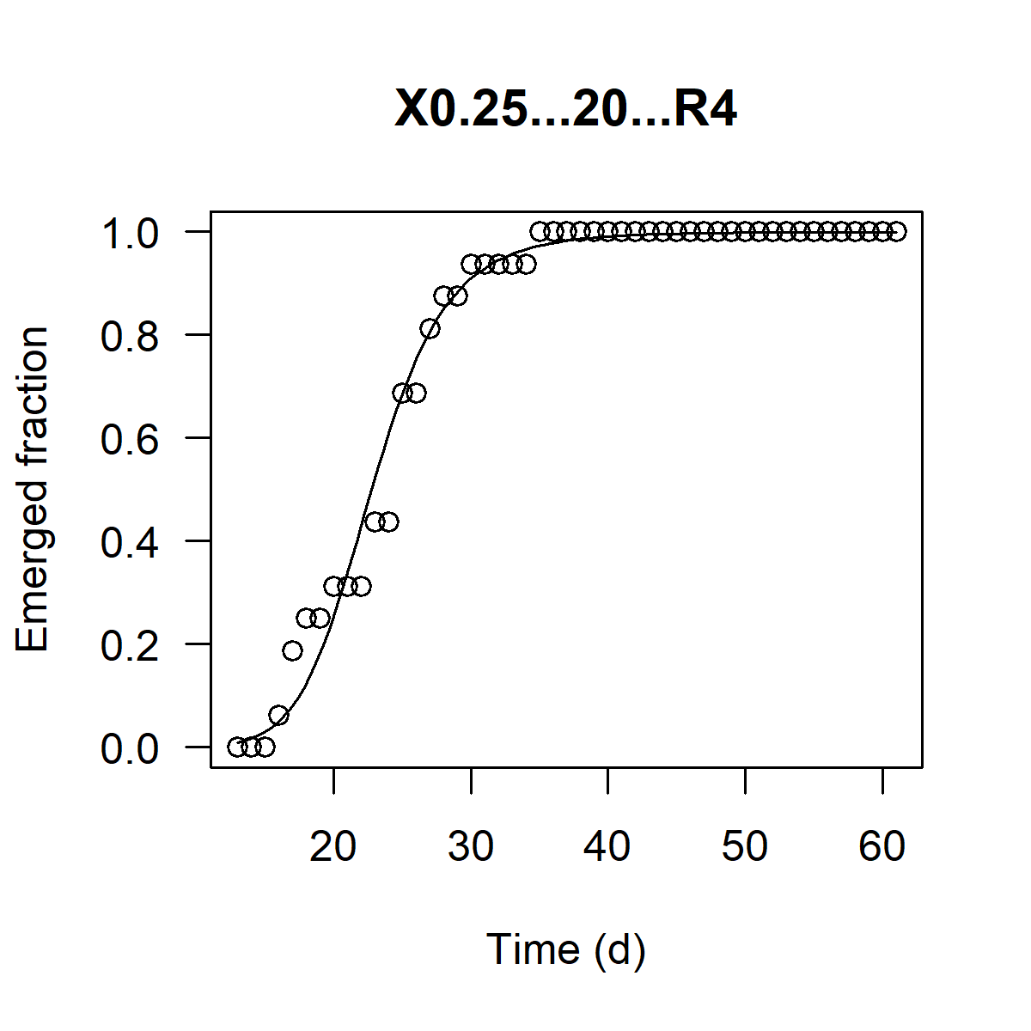
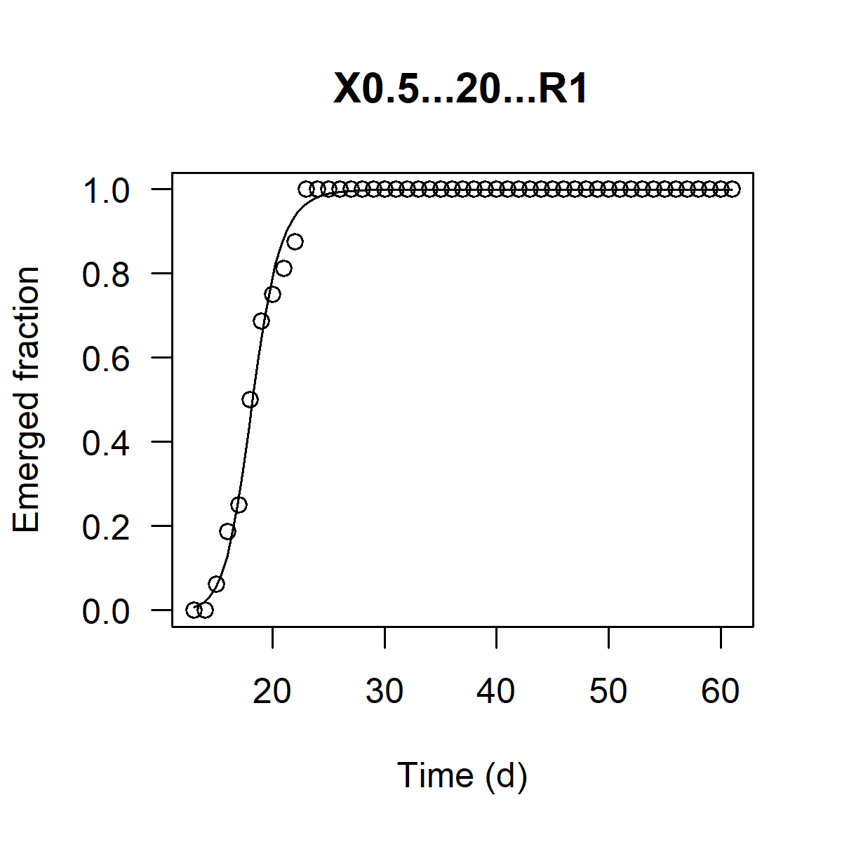
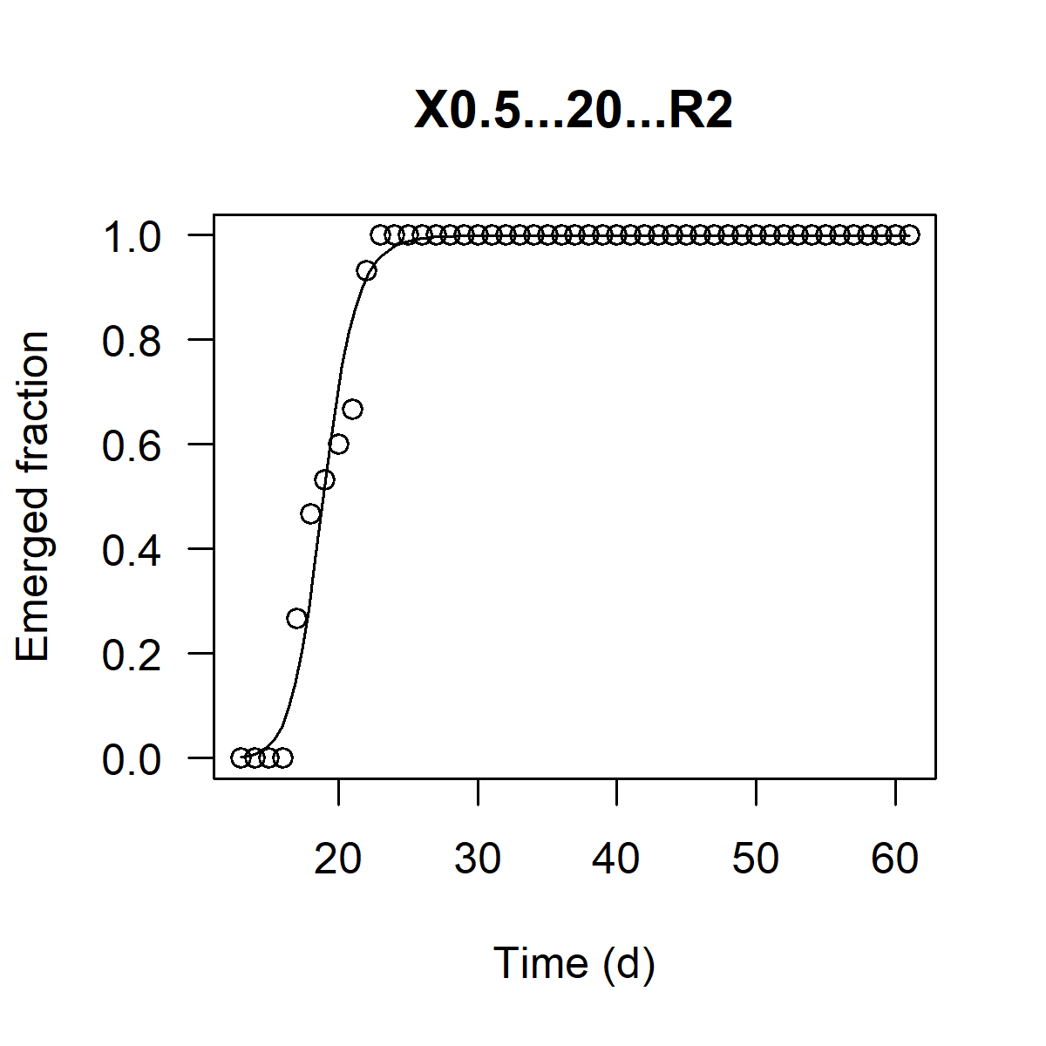
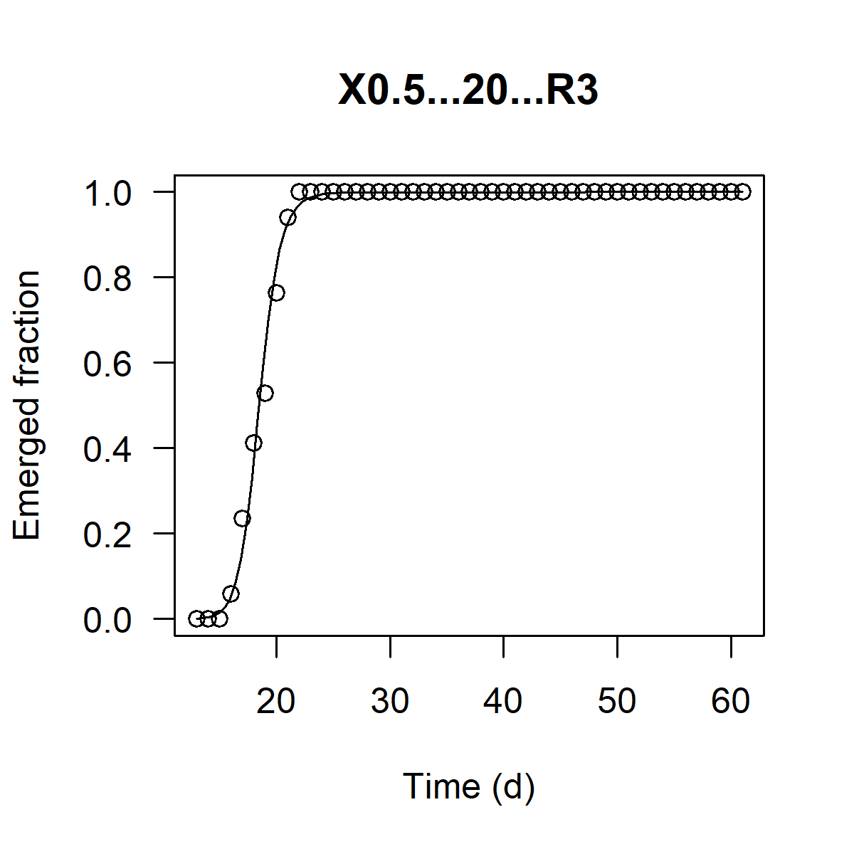
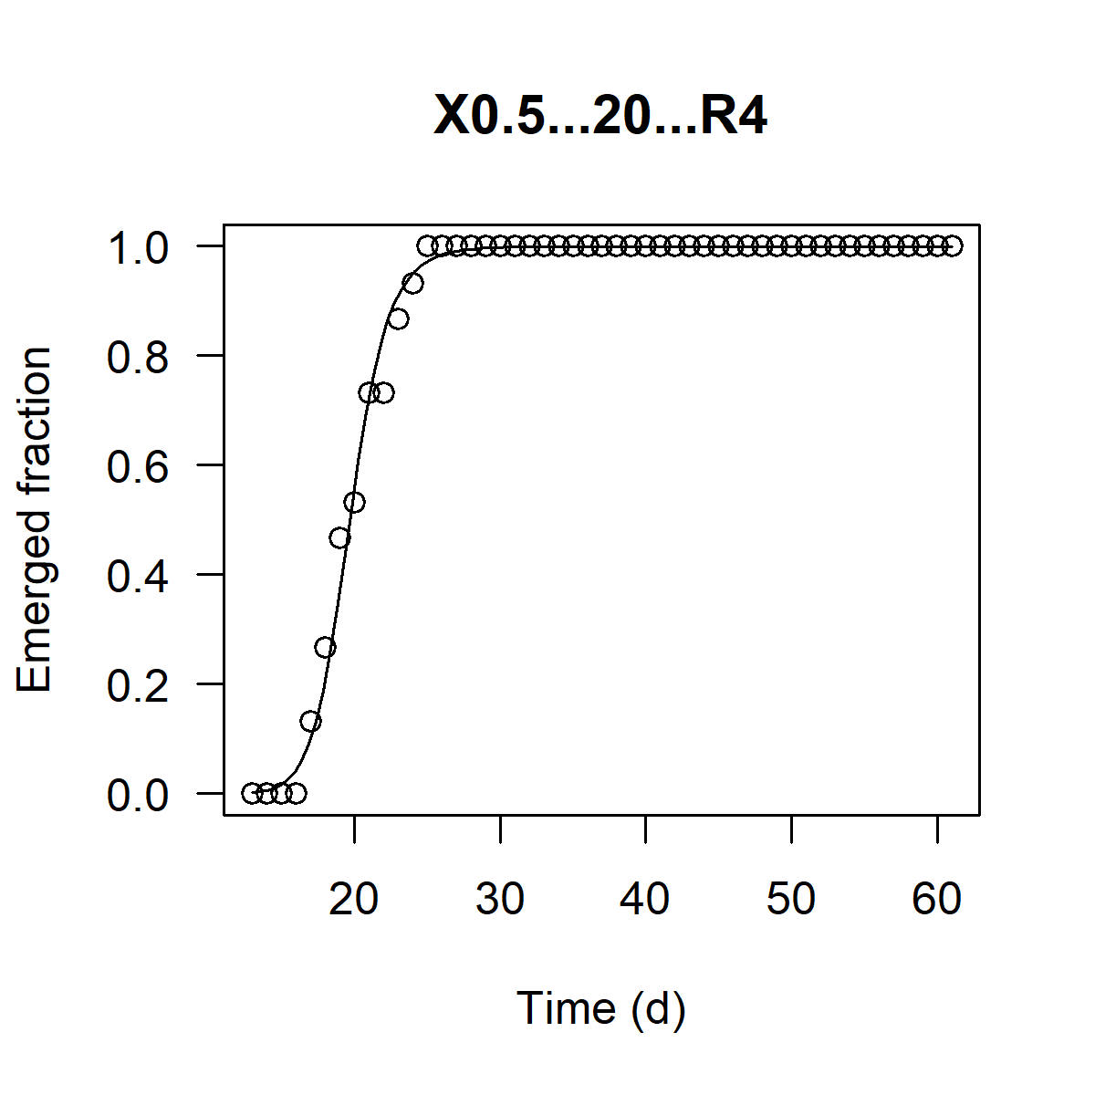
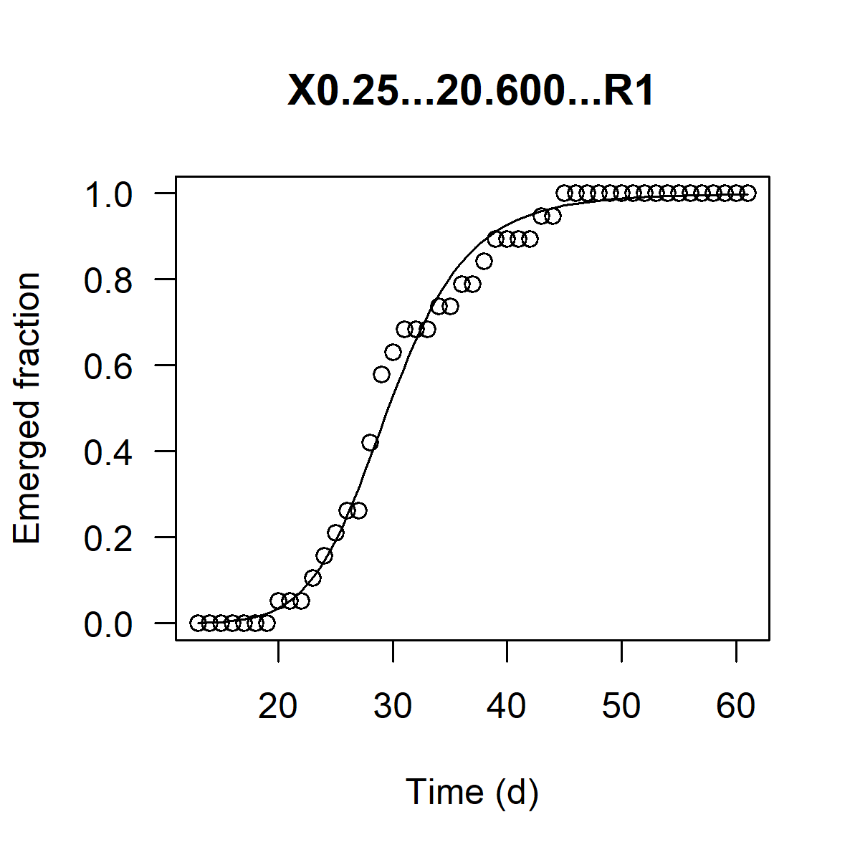
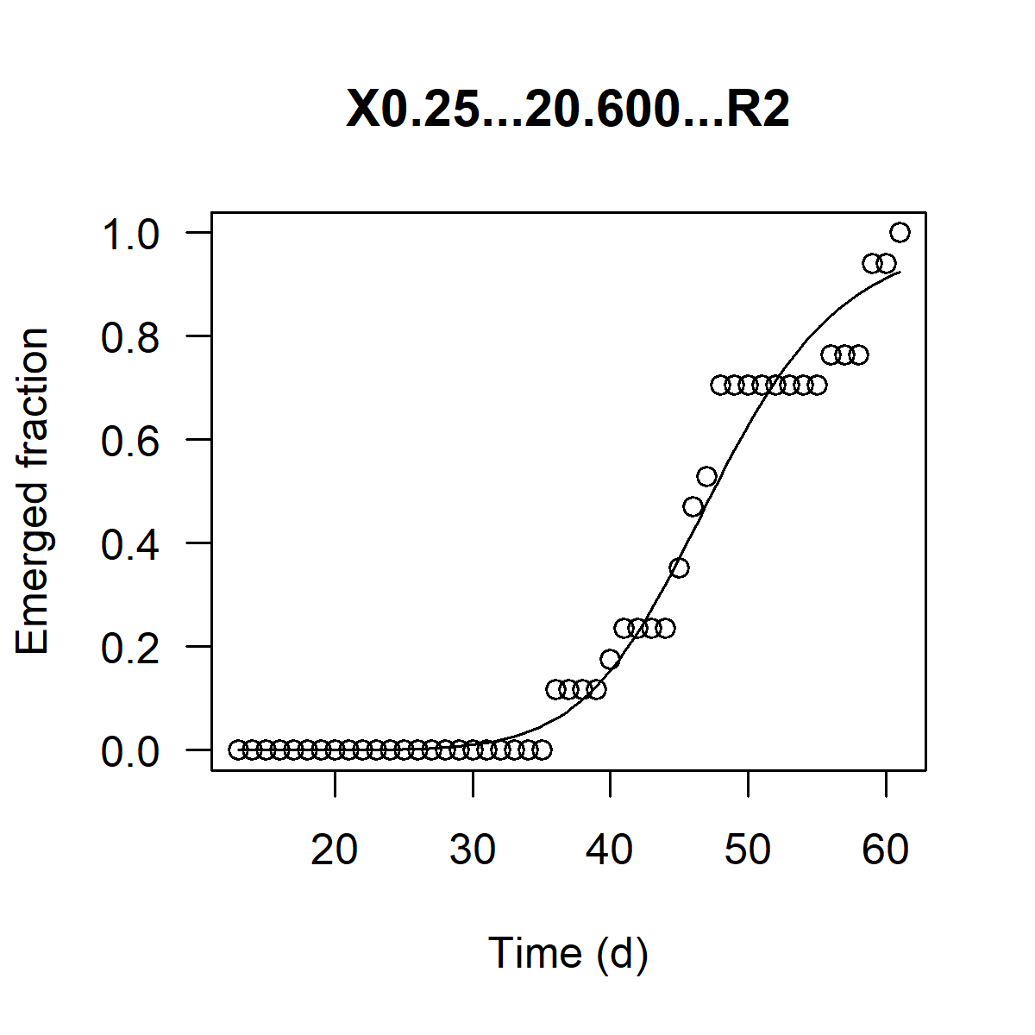
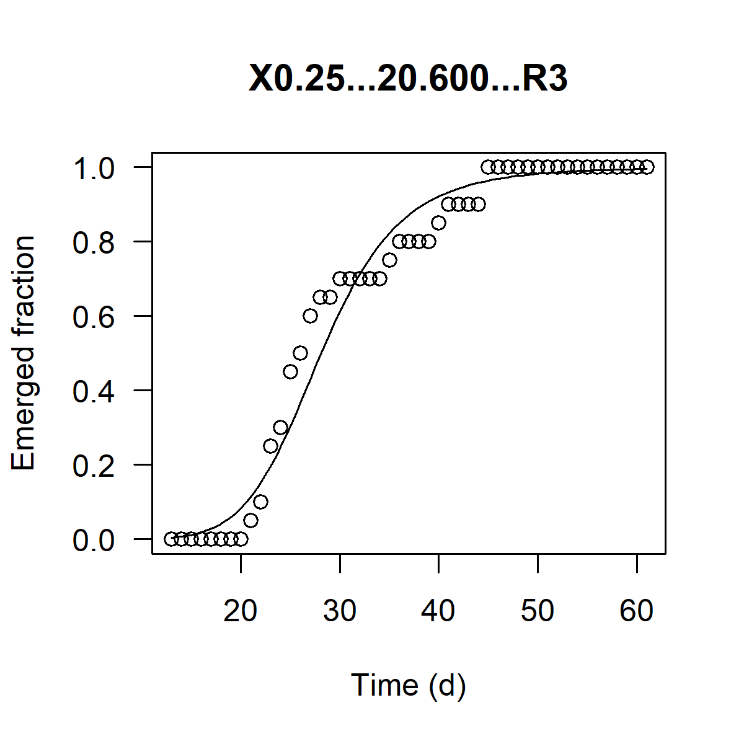
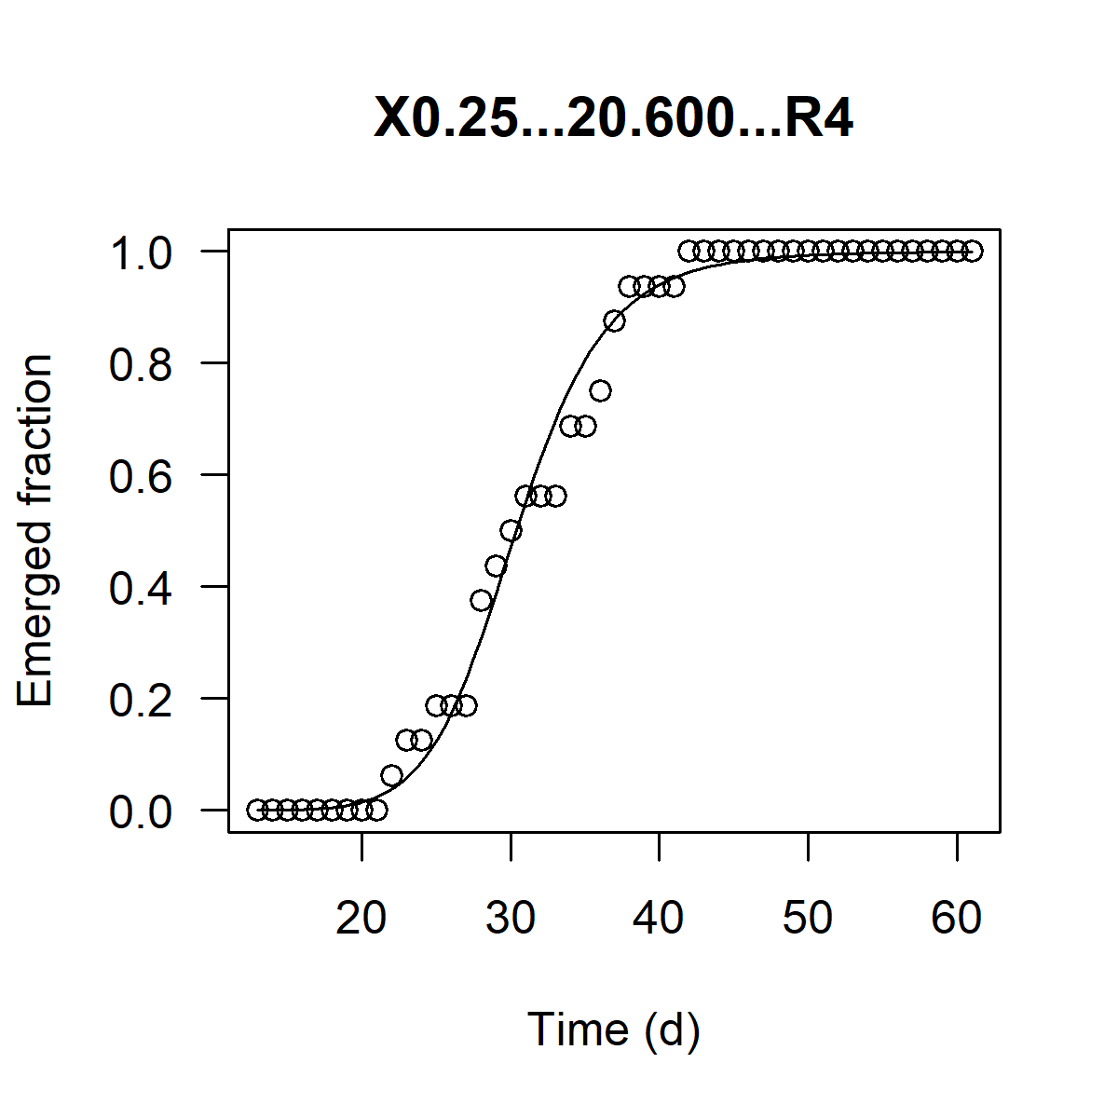
Test design |  |  | Regression parameters
Food level [mg dw larva-1 d-1] | Density [larvae / 50 cm2] | Replicate | EmT50 | slope b | R2 | Validity of replicate
0.05 | 10 | 1 | 60.734 | -9.487 | 0.803
0.05 | 10 | 2 | 62.454 | -9.462 | 0.929
0.05 | 10 | 3 | 38.175 | -7.874 | 0.881 | Replica classified as an outlier for development
0.05 | 10 | 4 | 57.829 | -14.414 | 0.951
0.05 | 20 | 1 | 57.789 | -6.248 | 0.963
0.05 | 20 | 2 | 45.385 | -10.979 | 0.923
0.05 | 20 | 3 | 47.060 | -6.573 | 0.959
0.05 | 20 | 4 | 40.905 | -7.403 | 0.982
0.05 | 40 | 1 | 51.522 | -6.153 | 0.982
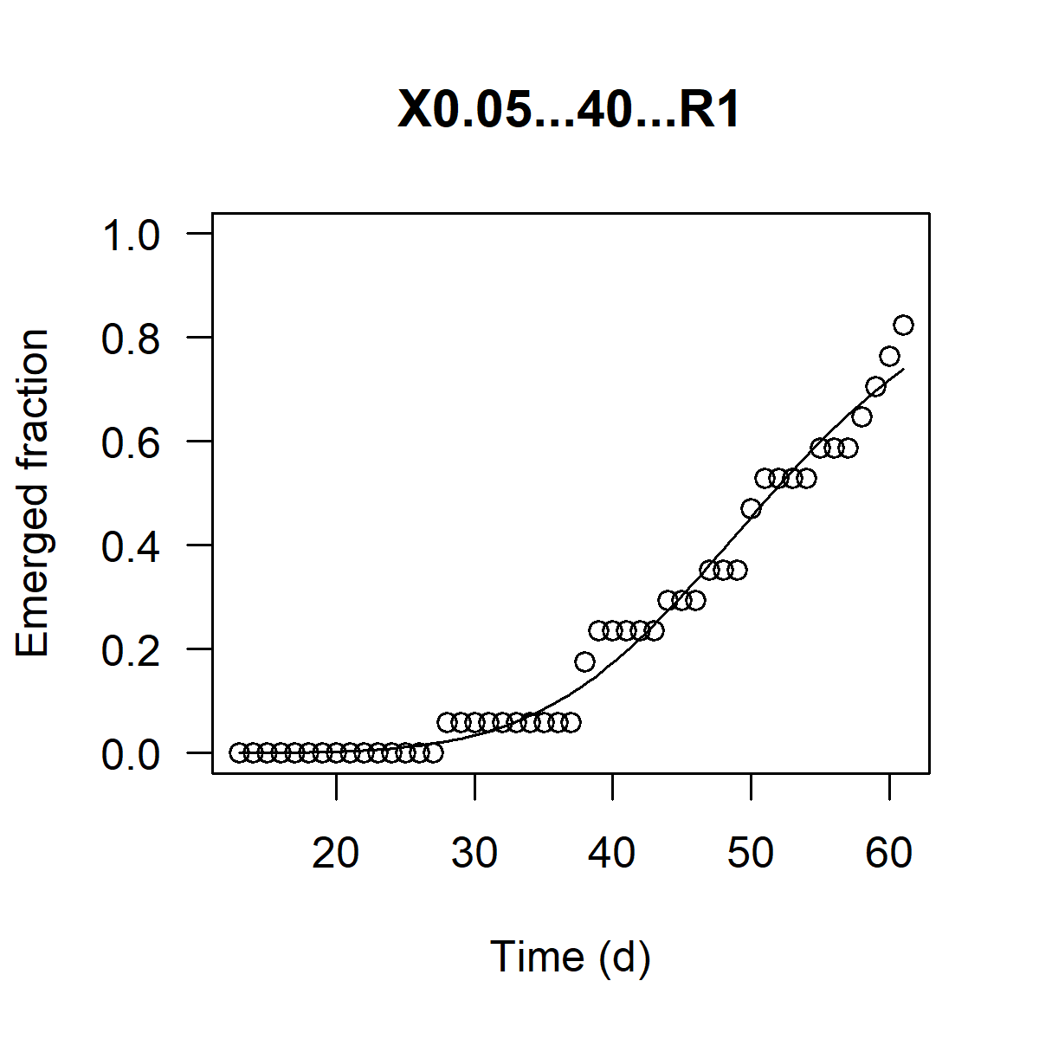
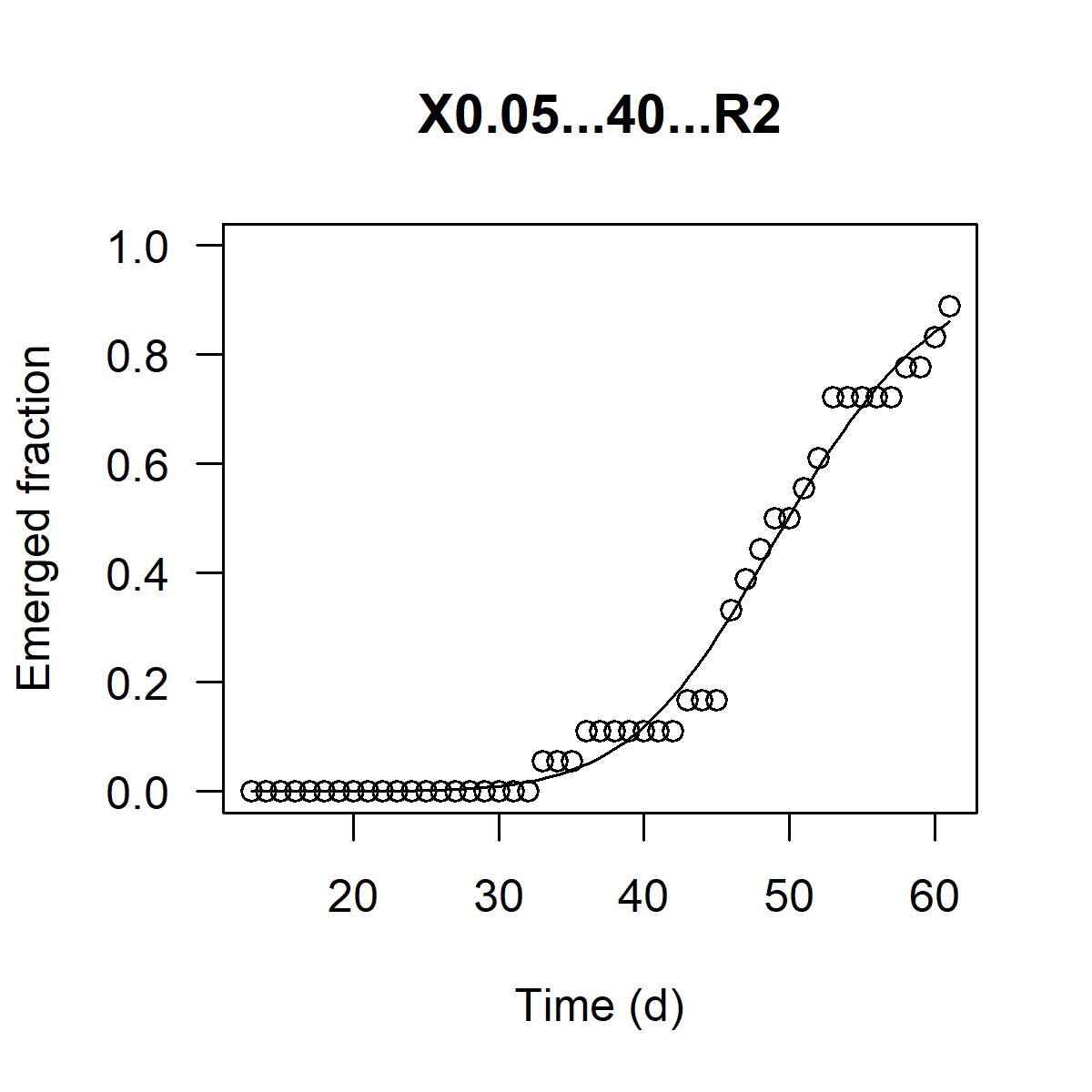
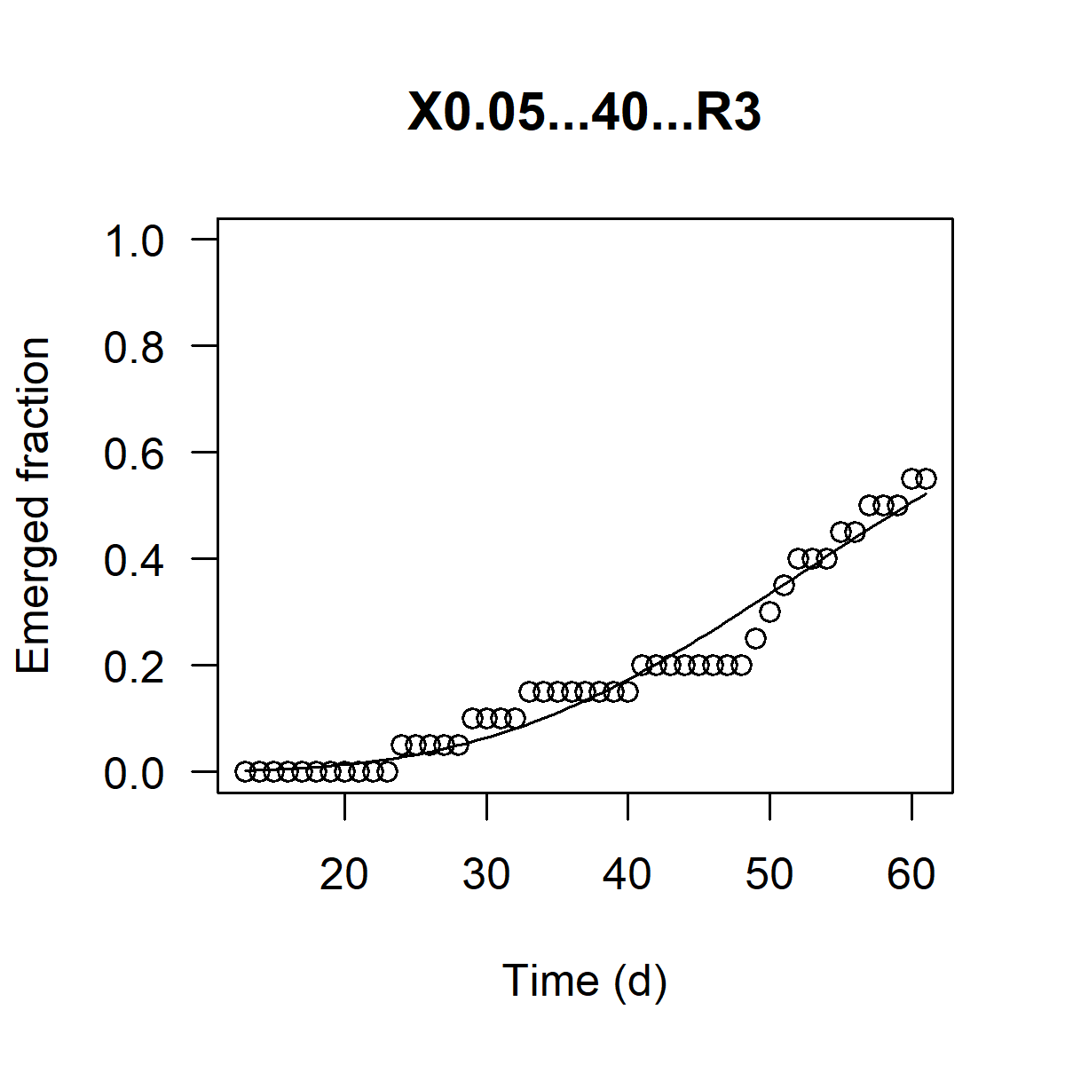
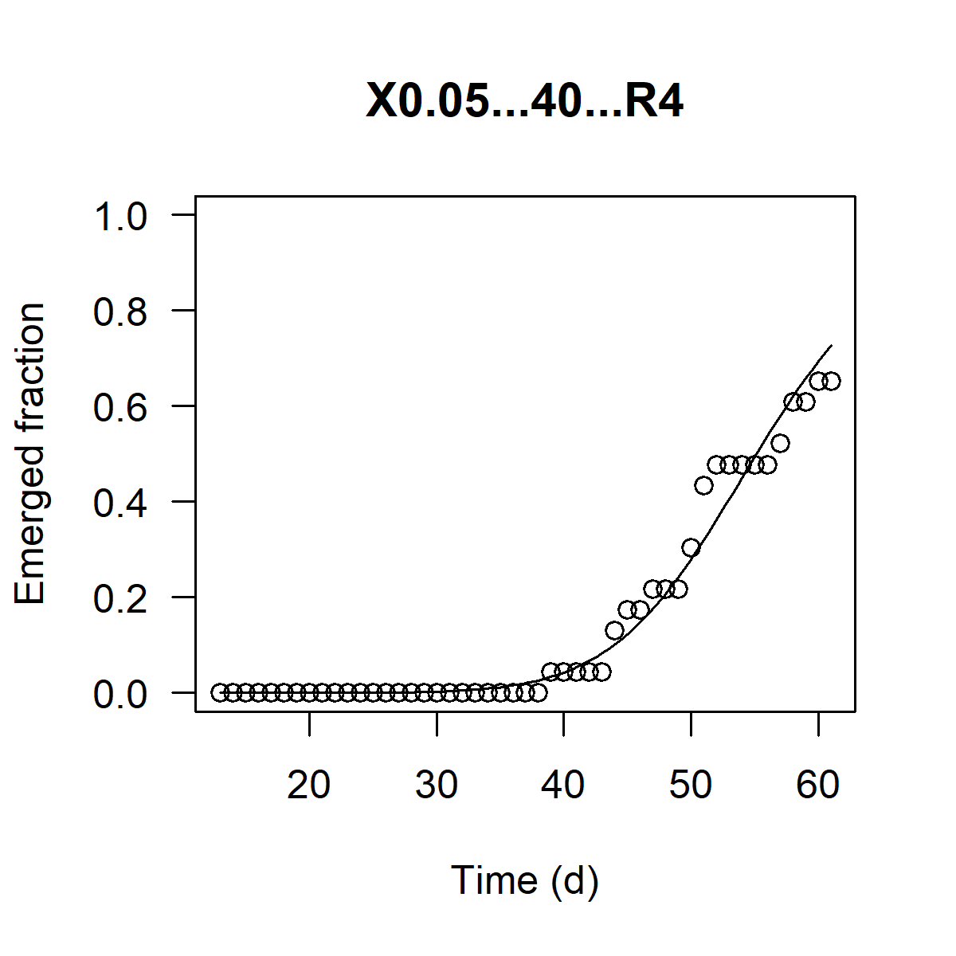
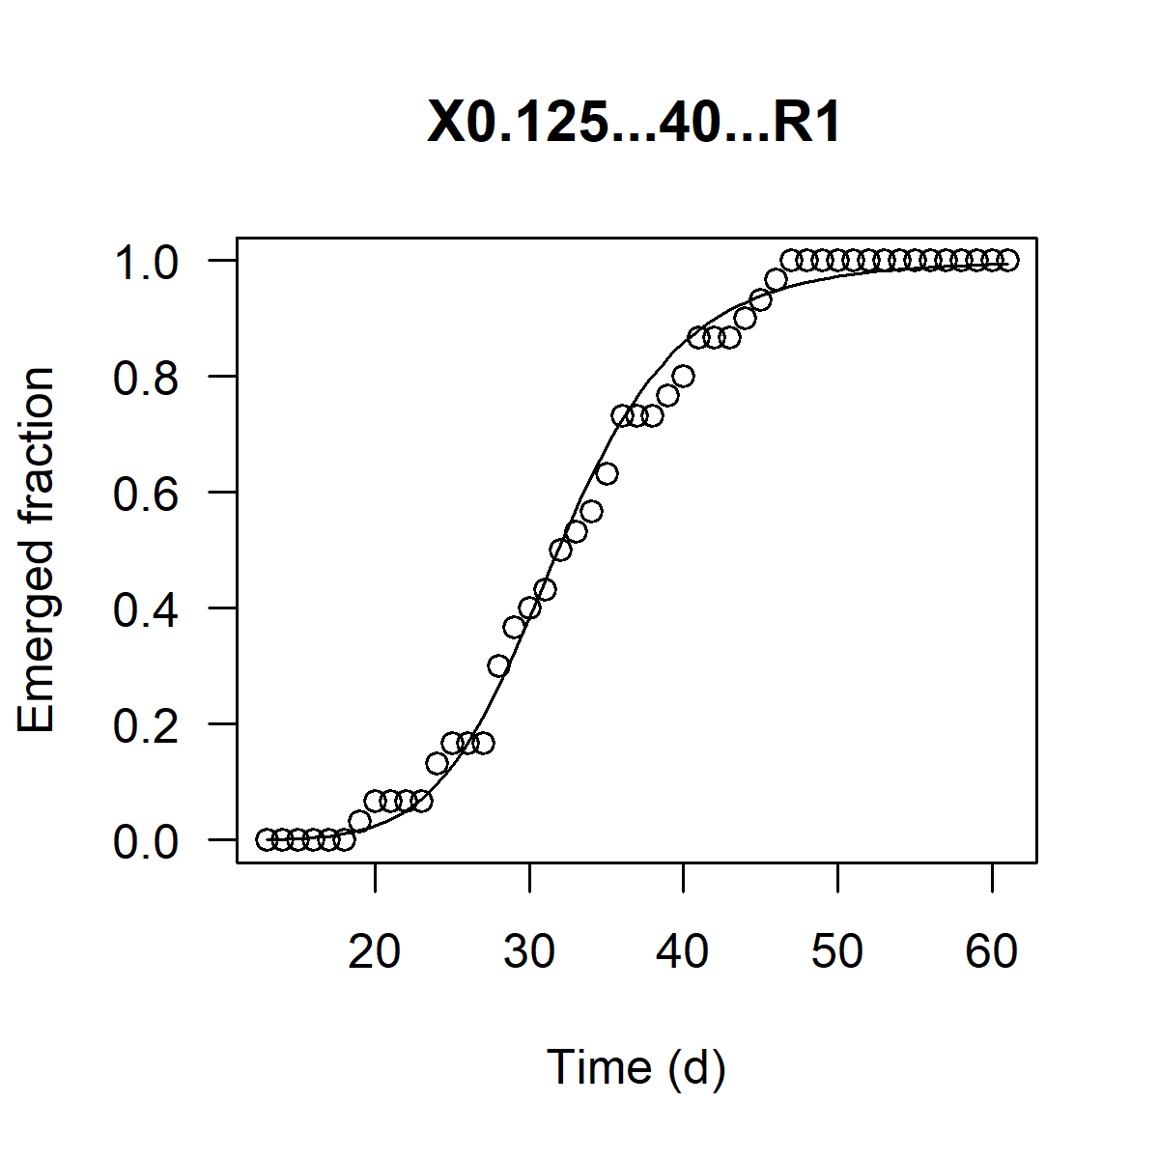
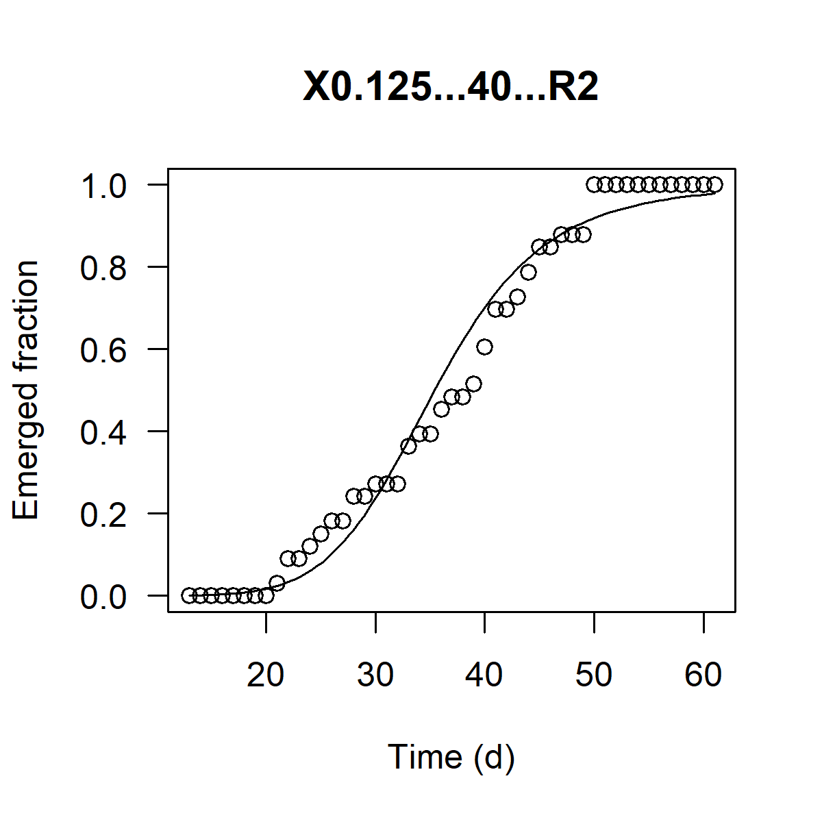
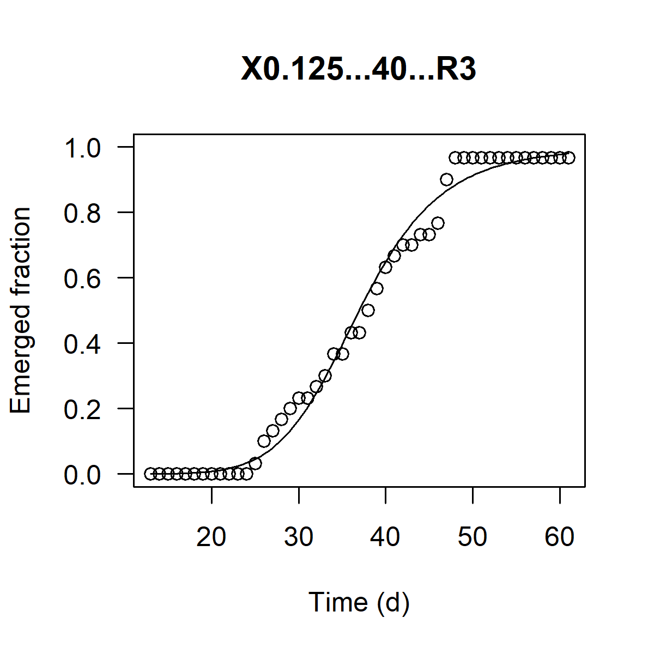
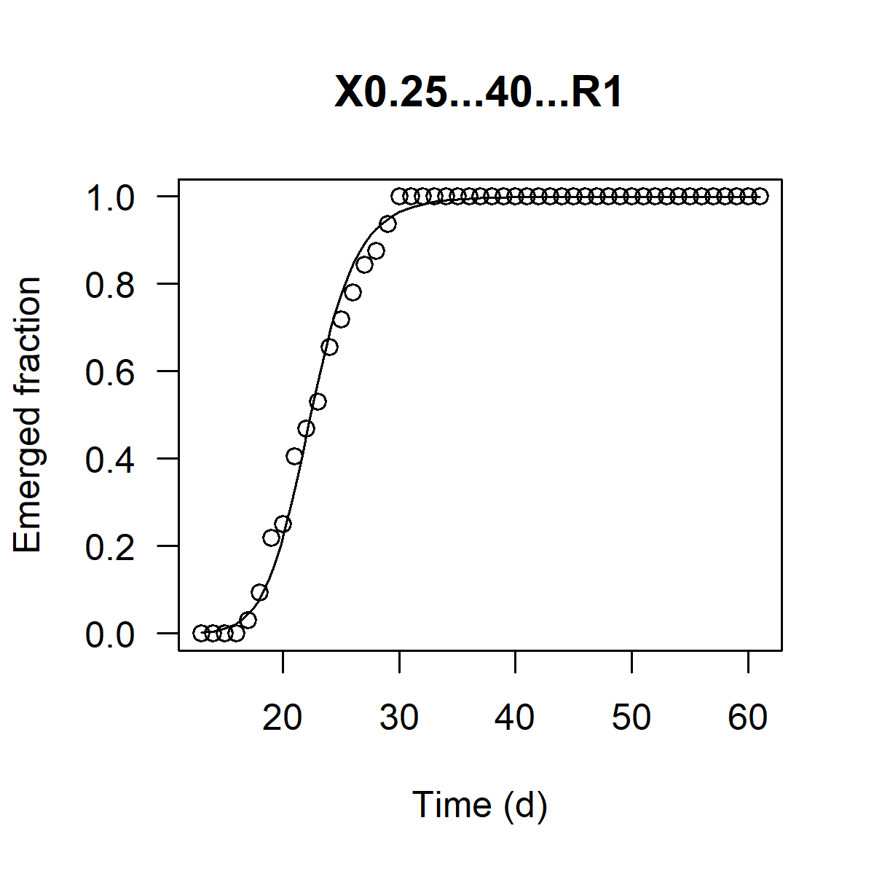


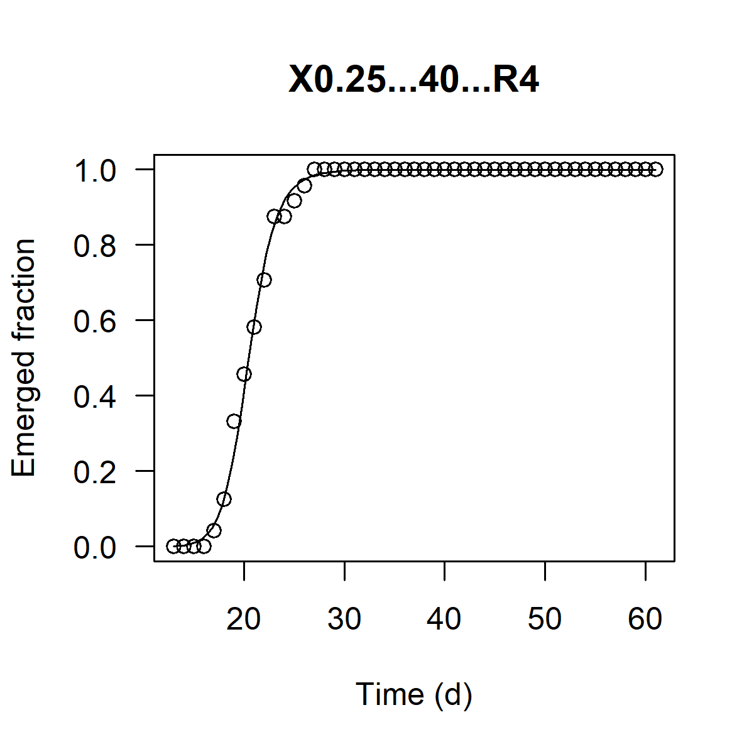
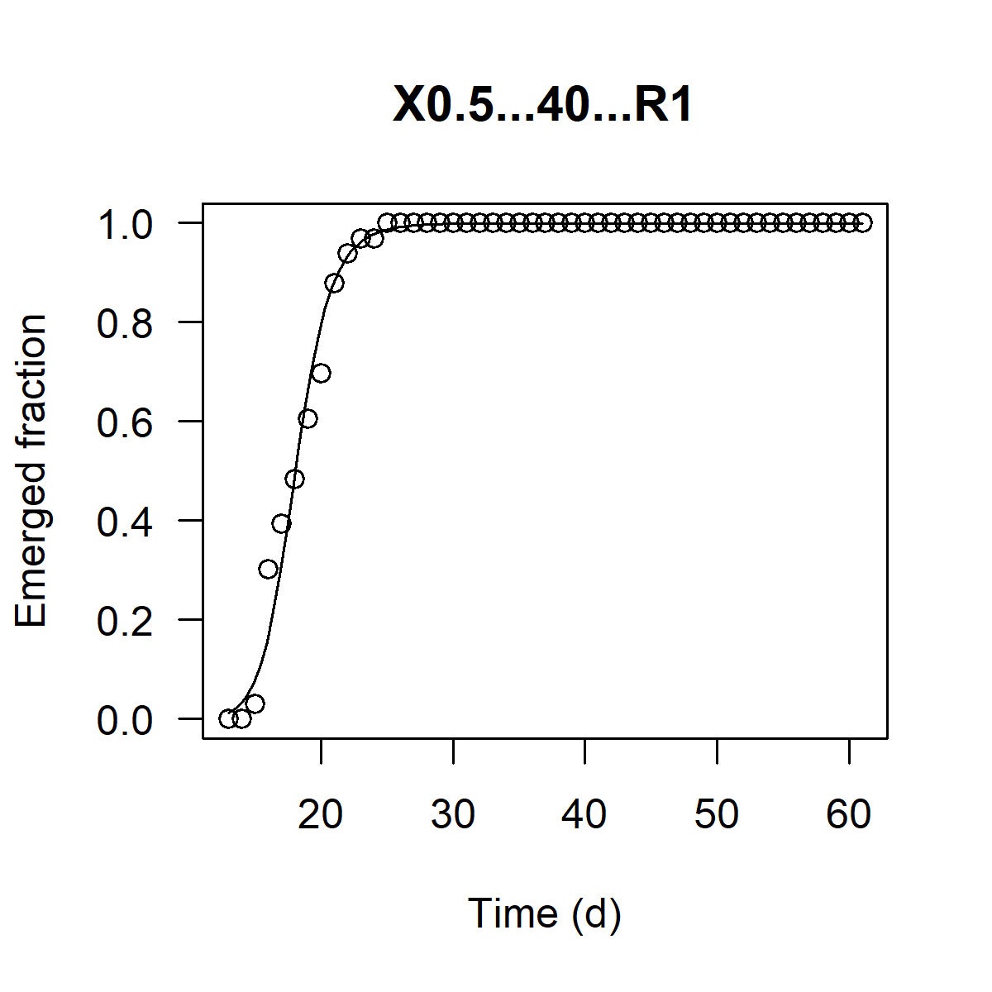
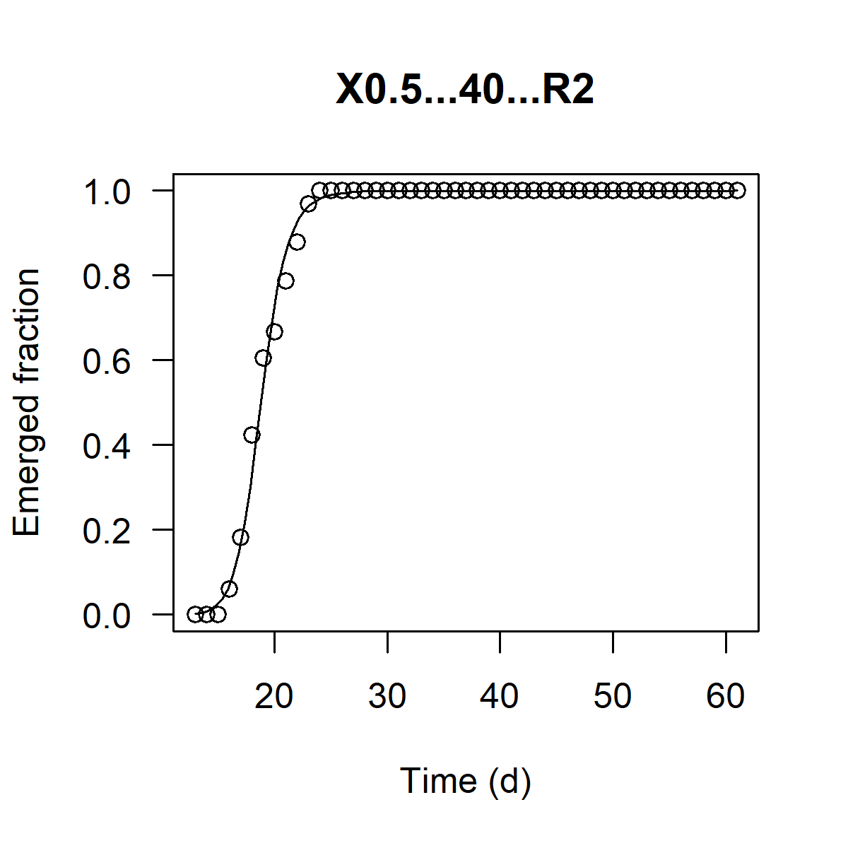

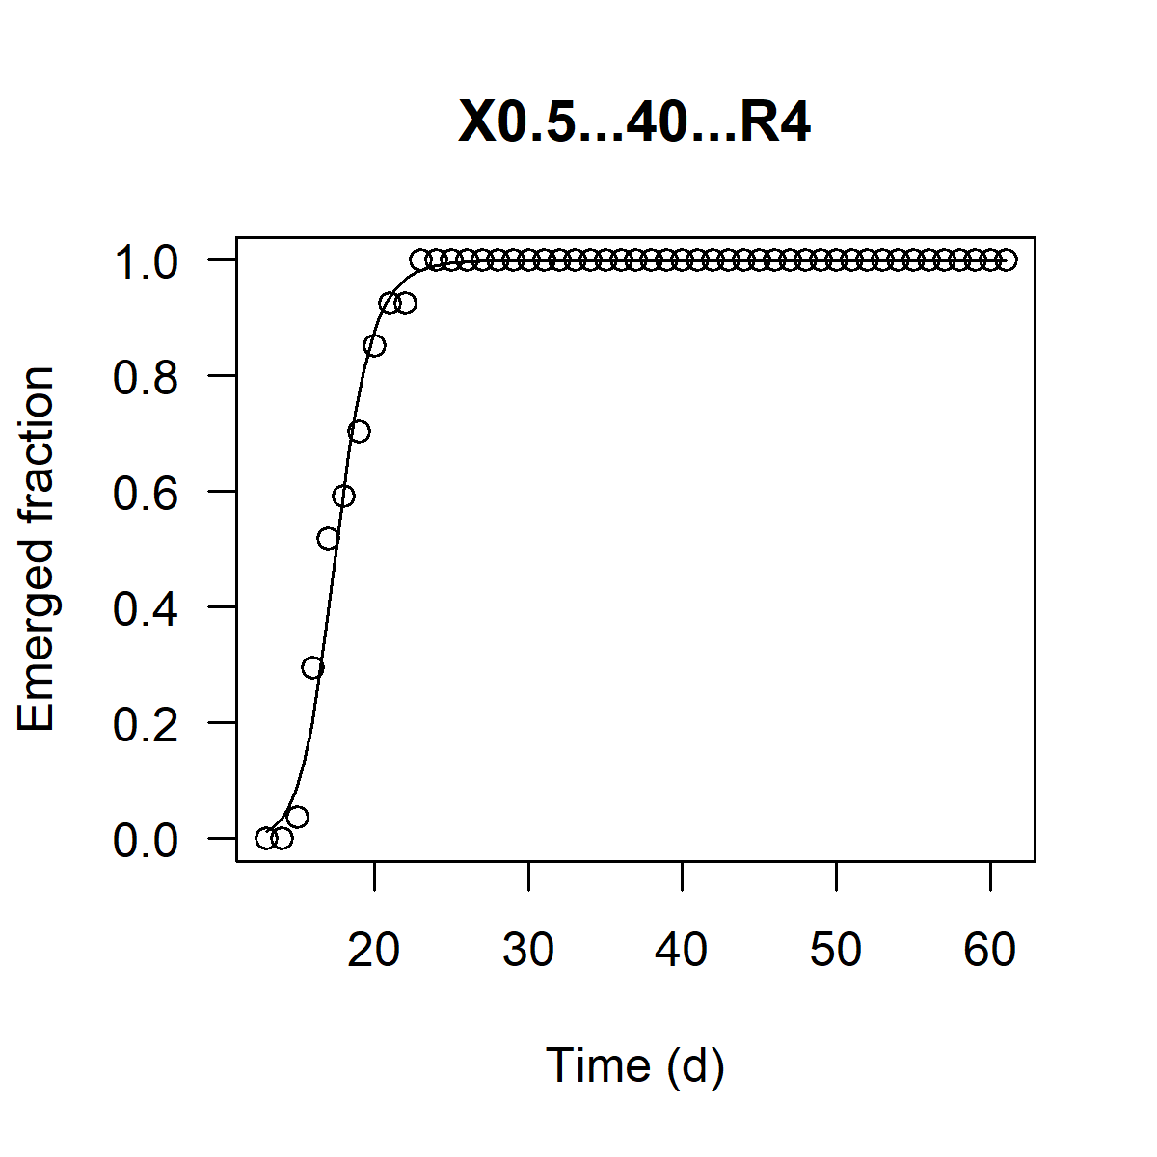
0.05 | 40 | 2 | 49.894 | -9.043 | 0.987
0.05 | 40 | 3 | 59.602 | -3.902 | 0.961
0.05 | 40 | 4 | 55.130 | -9.664 | 0.975
0.05 | 100 | 1 | 78.368 | -5.798 | 0.929
0.05 | 100 | 2 | 119.028 | -3.515 | 0.914
0.05 | 100 | 3 | 75.837 | -5.546 | 0.964
0.05 | 100 | 4 | 62.607 | -9.400 | 0.987
0.05 | 200 | 1 | 60.999 | -7.412 | 0.946
0.05 | 200 | 2 | 60.398 | -7.257 | 0.987
0.05 | 200 | 3 | 62.106 | -6.558 | 0.995
0.05 | 200 | 4 | 50.101 | -13.736 | 0.991
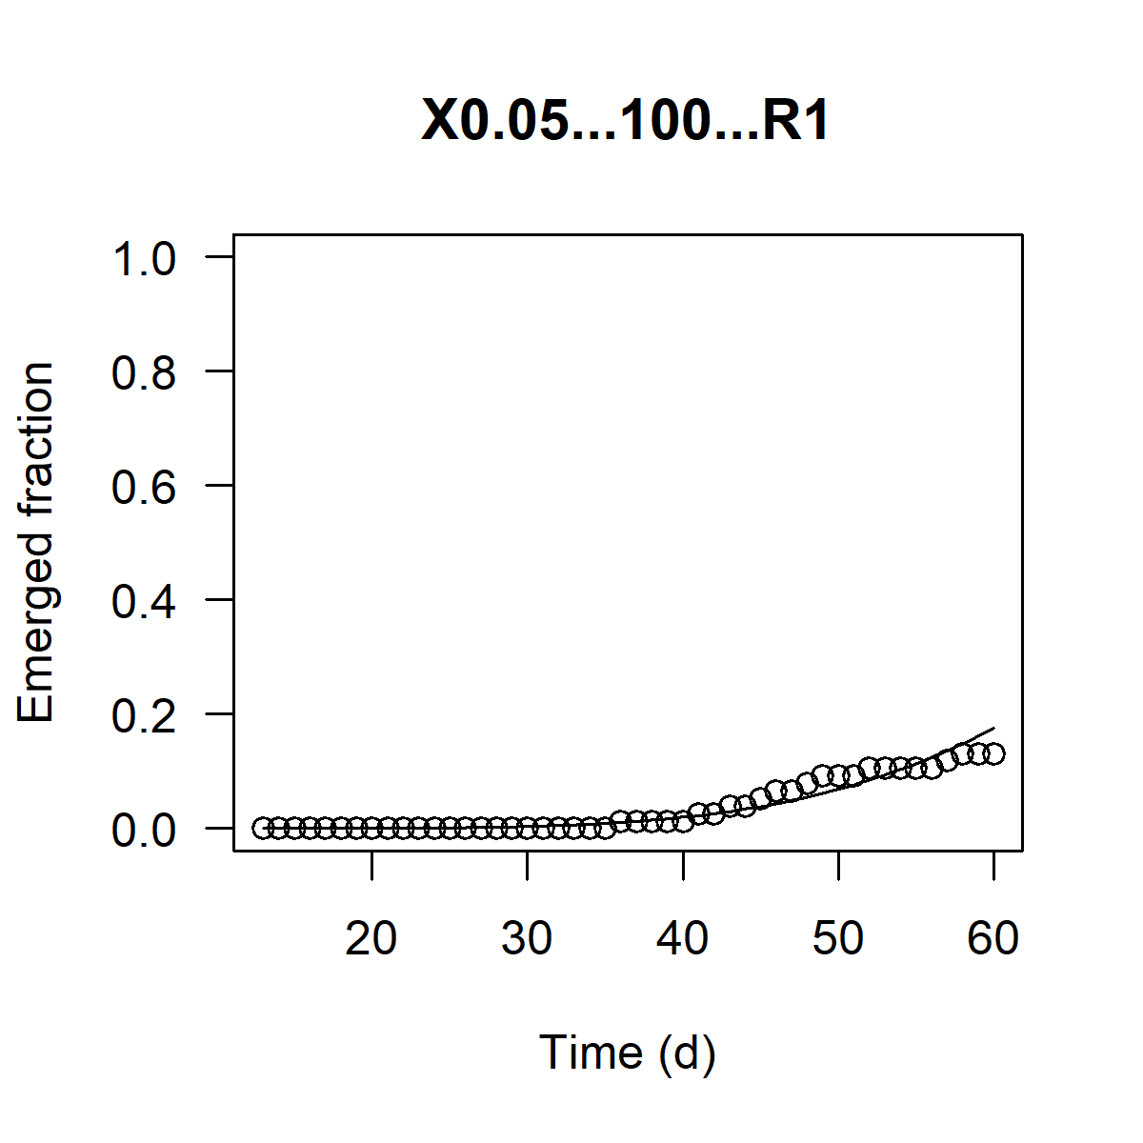
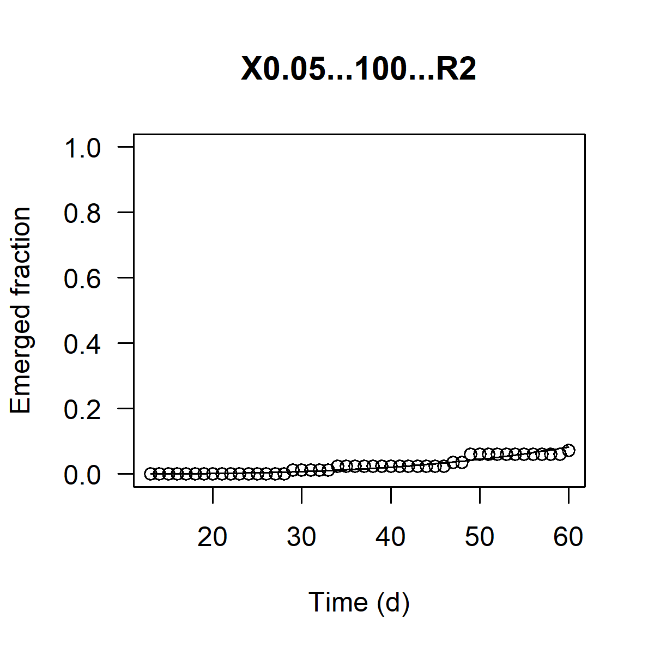













0.125 | 10 | 1 | 38.059 | -11.684 | 0.985
0.125 | 10 | 2 | 35.966 | -5.875 | 0.948
0.125 | 10 | 3 | 44.648 | -3.819 | 0.915
0.125 | 10 | 4 | 34.924 | -8.484 | 0.966
0.125 | 20 | 1 | 32.456 | -9.862 | 0.975
0.125 | 20 | 2 | 28.972 | -7.371 | 0.966
0.125 | 20 | 3 | 39.196 | -7.021 | 0.966
0.125 | 20 | 4 | 33.242 | -8.059 | 0.968
0.125 | 40 | 1 | 31.863 | -7.919 | 0.994
0.125 | 40 | 2 | 35.414 | -7.050 | 0.979
0.125 | 40 | 3 | 36.947 | -7.783 | 0.990
















0.125 | 40 | 4 |  | not calculated |  | Replica generally classified as an outlier
0.125 | 100 | 1 | 32.937 | -10.257 | 0.993
0.125 | 100 | 2 | 34.484 | -11.065 | 0.995
0.125 | 100 | 3 | 35.959 | -9.536 | 0.994
0.125 | 100 | 4 | 33.768 | -9.705 | 0.995
0.125 | 200 | 1 | 35.554 | -7.784 | 0.983
0.125 | 200 | 2 | 37.260 | -9.865 | 0.995
0.125 | 200 | 3 | 34.687 | -9.043 | 0.996
0.125 | 200 | 4 | 35.734 | -8.284 | 0.991
0.125 | 200 | 1 |  | not calculated |  | Replica generally classified as an outlier
0.25 | 10 | 2 | 25.923 | -14.550 | 0.991
0.25 | 10 | 3 | 26.557 | -11.771 | 0.984
0.25 | 10 | 4 | 23.314 | -10.048 | 0.979
0.25 | 20 | 1 | 23.078 | -7.926 | 0.979
0.25 | 20 | 2 | 21.438 | -10.191 | 0.988
0.25 | 20 | 3 | 23.943 | -10.115 | 0.992
0.25 | 20 | 4 | 22.758 | -8.337 | 0.983
0.25 | 40 | 1 | 22.391 | -11.224 | 0.995
0.25 | 40 | 2 | 23.303 | -11.116 | 0.995
0.25 | 40 | 3 | 22.211 | -11.328 | 0.981
0.25 | 40 | 4 | 20.476 | -15.087 | 0.997
0.25 | 100 | 1 | 22.896 | -8.921 | 0.995
0.25 | 100 | 2 | 22.285 | -9.508 | 0.996
0.25 | 100 | 3 |  | not calculated |  | Replica generally classified as an outlier
0.25 | 100 | 4 | 25.350 | -9.790 | 0.991
0.25 | 200 | 1 | 26.606 | -10.984 | 0.997
0.25 | 200 | 2 | 24.570 | -10.582 | 0.995
0.25 | 200 | 3 | 27.508 | -12.857 | 0.994
0.25 | 200 | 4 | 26.611 | -11.517 | 0.999
0.5 | 10 | 1 | 19.171 | -15.708 | 0.986
0.5 | 10 | 2 | 20.177 | -12.637 | 0.988
0.5 | 10 | 3 | 19.118 | -19.615 | 0.989
0.5 | 10 | 4 | 20.470 | -11.663 | 0.961
0.5 | 20 | 1 | 18.225 | -14.358 | 0.995
0.5 | 20 | 2 | 18.910 | -15.962 | 0.981
0.5 | 20 | 3 | 18.483 | -20.092 | 0.994
0.5 | 20 | 4 | 19.687 | -14.939 | 0.994
0.5 | 40 | 1 | 18.053 | -13.317 | 0.988
0.5 | 40 | 2 | 18.804 | -16.127 | 0.994
0.5 | 40 | 3 | 19.542 | -11.853 | 0.995
0.5 | 40 | 4 | 17.512 | -14.837 | 0.990
0.5 | 100 | 1 | 20.628 | -12.931 | 0.996
0.5 | 100 | 2 | 20.132 | -12.288 | 0.996
0.5 | 100 | 3 | 18.872 | -14.842 | 0.996
0.5 | 100 | 4 | 19.569 | -13.875 | 0.994
0.5 | 200 | 1 | 18.609 | -19.634 | 0.997
0.5 | 200 | 2 | 18.681 | -25.759 | 0.999
0.5 | 200 | 3 | 19.823 | -34.124 | 0.997
0.5 | 200 | 4 | 18.236 | -25.634 | 0.998
0.25 | 5.6 | 1 | 25.335 | -9.597 | 0.992
0.25 | 5.6 | 2 | 28.487 | -9.816 | 0.995
0.25 | 5.6 | 3 |  | not calculated |  | Replica generally classified as an outlier
0.25 | 5.6 | 4 | 27.843 | -10.048 | 0.989
0.25 | 1.7 | 1 | 29.616 | -8.450 | 0.991
0.25 | 1.7 | 2 | 47.439 | -9.955 | 0.975
0.25 | 1.7 | 3 | 28.125 | -7.018 | 0.971
0.25 | 1.7 | 4 | 30.379 | -10.042 | 0.991

